Base Test 1-Channel2
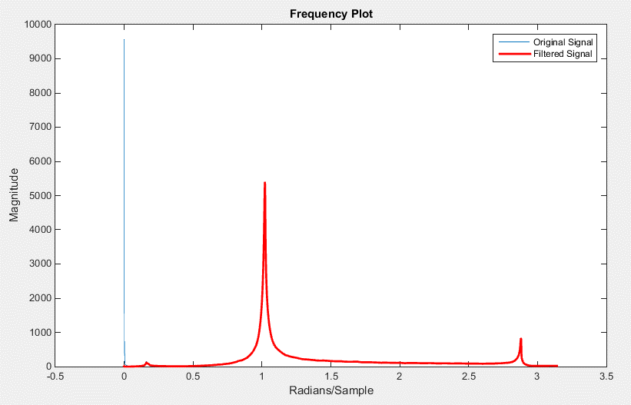
Time | Original | Filtered |  | Time | Filtered Data Shiffted
0 | 9.8364534 | -0.10499245021 | 0.045312475 | 0 | 10.398075728
0.00078125001 | -47.11623 | 0.50786549903 | 0.046093725 | 0.00078125 | -46.436574126
0.0015625 | -37.386719 | 0.38080117178 | 0.046874974 | 0.001562499 | -36.353862872
0.0023437501 | 96.997925 | -1.0740114383 | 0.047656223 | 0.002343748 | 98.702197801
0.003125 | 38.995407 | -0.41119474653 | 0.048437472 | 0.003124997 | 40.839878636
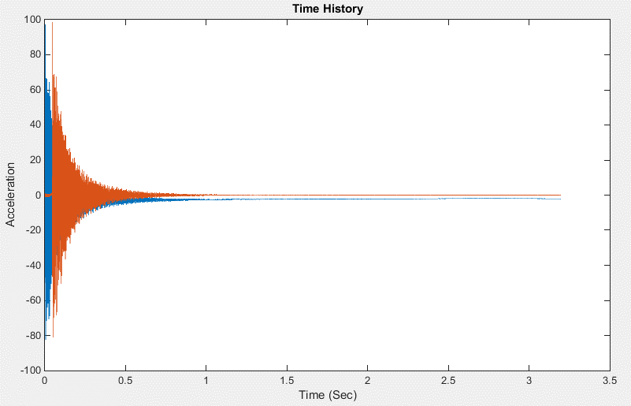
0.00390625 | -22.294786 | 0.25971760458 | 0.049218722 | 0.003906247 | -20.646113824
0.0046875002 | -82.341331 | 0.88980293356 | 0.049999971 | 0.004687496 | -81.103747488
0.0054687504 | -58.225124 | 0.59290875092 | 0.05078122 | 0.005468745 | -57.067353143
0.0062500006 | 22.616409 | -0.2999601175 | 0.051562469 | 0.006249994 | 24.195641583
0.0070312507 | 66.330032 | -0.76077775709 | 0.052343719 | 0.007031244 | 68.412473103
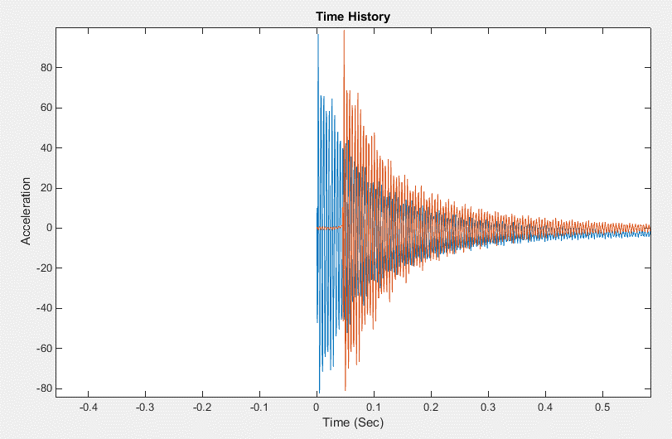
0.0078125009 | 64.877396 | -0.72014330162 | 0.053124968 | 0.007812493 | 67.327955318
0.0085937511 | -20.177452 | 0.2128530248 | 0.053906217 | 0.008593742 | -17.994238639
0.0093750013 | -62.473927 | 0.65039750832 | 0.054687466 | 0.009374991 | -60.565677663
0.010156251 | -71.566277 | 0.71414968271 | 0.055468716 | 0.010156241 | -69.910708125
0.010937502 | 10.195718 | -0.19768640991 | 0.056249965 | 0.01093749 | 12.248510884
0.011718752 | 58.766781 | -0.71842830539 | 0.057031214 | 0.011718739 | 61.257287261
0.012500002 | 65.92099 | -0.77513266492 | 0.057812463 | 0.012499988 | 68.804713161
0.013281252 | -0.81536978 | -0.038984857881 | 0.058593713 | 0.013281238 | 1.9091336486
0.014062502 | -62.739552 | 0.61604337815 | 0.059374962 | 0.014062487 | -60.370269953
0.014843753 | -63.913139 | 0.59489302246 | 0.060156211 | 0.014843736 | -61.754927374
0.015625002 | -15.706298 | 0.0457400855 | 0.060937461 | 0.015624986 | -13.393710496
0.016406251 | 58.466236 | -0.75919217773 | 0.06171871 | 0.016406235 | 61.301791962
0.0171875 | 55.206871 | -0.70246475907 | 0.062499959 | 0.017187484 | 58.304744698
0.01796875 | 19.129061 | -0.29595613114 | 0.063281208 | 0.017968733 | 22.2529744
0.018749999 | -59.519325 | 0.55056121915 | 0.064062461 | 0.018749986 | -56.86281819
0.019531248 | -61.76379 | 0.54636186338 | 0.064843714 | 0.019531239 | -59.292532171
0.020312497 | -28.93235 | 0.16765681218 | 0.065624967 | 0.020312492 | -26.467732058
0.021093747 | 43.067673 | -0.6139418321 | 0.06640622 | 0.021093745 | 45.998578696
0.021874996 | 58.153751 | -0.75363635851 | 0.067187473 | 0.021874998 | 61.357652354
0.022656245 | 21.247955 | -0.32964765601 | 0.067968726 | 0.022656251 | 24.468221283
0.023437494 | -40.100834 | 0.34080632711 | 0.068749979 | 0.023437504 | -37.238242105
0.024218744 | -70.763191 | 0.65768325354 | 0.069531232 | 0.024218757 | -68.248122718
0.024999993 | -28.498878 | 0.18306239479 | 0.070312485 | 0.02500001 | -25.952378638
0.025781242 | 22.535284 | -0.36449643247 | 0.071093738 | 0.025781263 | 25.335197421
0.026562491 | 64.336052 | -0.787062887 | 0.071874991 | 0.026562516 | 67.539130185
0.027343741 | 22.287085 | -0.29574721663 | 0.072656244 | 0.027343769 | 25.423883662
0.02812499 | -23.873835 | 0.22256439177 | 0.073437497 | 0.028125022 | -20.952855886
0.028906239 | -69.078262 | 0.71586612866 | 0.07421875 | 0.028906275 | -66.604437775
0.029687488 | -34.928093 | 0.3424352141 | 0.075000003 | 0.029687528 | -32.452935536
0.030468738 | 14.709798 | -0.17859541874 | 0.075781256 | 0.030468781 | 17.364031585
0.031249987 | 56.138504 | -0.58971197867 | 0.076562509 | 0.031250034 | 59.164834382
0.032031238 | 36.891331 | -0.3310806609 | 0.077343762 | 0.032031287 | 39.96101617
0.032812487 | -19.460543 | 0.31853781205 | 0.078125015 | 0.03281254 | -16.640803238
0.033593737 | -53.794575 | 0.71237496439 | 0.078906268 | 0.033593793 | -51.310519766
0.034374986 | -48.266003 | 0.66840083434 | 0.079687521 | 0.034375046 | -45.955086811
0.035156235 | 14.157558 | 0.021105348248 | 0.080468774 | 0.035156299 | 16.716832296
0.035937484 | 43.693615 | -0.24486159795 | 0.081250027 | 0.035937552 | 46.500762201
0.036718734 | 48.025269 | -0.22653008636 | 0.08203128 | 0.036718805 | 51.043409187
0.037499983 | -11.982232 | 0.48582466323 | 0.082812533 | 0.037500058 | -9.2403654091
0.038281232 | -44.321751 | 0.87981098555 | 0.083593786 | 0.038281311 | -41.835131255
0.039062481 | -50.371433 | 0.98319285326 | 0.084375039 | 0.039062564 | -48.131723712
0.039843731 | 1.6959598 | 0.46513045682 | 0.085156292 | 0.039843817 | 4.1449032856
0.04062498 | 42.201061 | 0.096658812538 | 0.085937545 | 0.04062507 | 44.920620798
0.041406229 | 43.58522 | 0.16545036401 | 0.086718798 | 0.041406323 | 46.509137922
0.042187478 | 4.7643466 | 0.6683377951 | 0.087500051 | 0.042187576 | 7.5546485694
0.042968728 | -45.455681 | 1.2809932621 | 0.088281304 | 0.042968829 | -42.99281643
0.043749977 | -43.278301 | 1.3147390996 | 0.089062557 | 0.043750082 | -40.971821315
0.044531226 | -15.546385 | 1.0793796302 | 0.08984381 | 0.044531335 | -13.195547119
0.045312475 | 39.80587 | 10.398075728 | 0.090625063 | 0.045312588 | 42.415624994
0.046093725 | 38.155708 | -46.436574126 | 0.091406316 | 0.046093841 | 41.536424647
0.046874974 | 14.58176 | -36.353862872 | 0.092187569 | 0.046875094 | 17.889182407
0.047656223 | -39.382149 | 98.702197801 | 0.092968822 | 0.047656347 | -37.912805283
0.048437472 | -45.706928 | 40.839878636 | 0.093750075 | 0.0484376 | -43.78168639
0.049218722 | -20.707951 | -20.646113824 | 0.094531327 | 0.049218852 | -18.121934536
0.049999971 | 25.38192 | -81.103747488 | 0.09531258 | 0.050000105 | 28.959231876
0.05078122 | 42.311127 | -57.067353143 | 0.096093833 | 0.050781358 | 45.874837354
0.051562469 | 13.035693 | 24.195641583 | 0.096875086 | 0.051562611 | 15.710843278
0.052343719 | -25.03264 | 68.412473103 | 0.097656339 | 0.052343864 | -23.08083869
0.053124968 | -52.103405 | 67.327955318 | 0.098437592 | 0.053125117 | -50.436779344
0.053906217 | -20.954851 | -17.994238639 | 0.099218845 | 0.05390637 | -18.310332249
0.054687466 | 11.99379 | -60.565677663 | 0.1000001 | 0.054687625 | 15.290797849
0.055468716 | 43.817581 | -69.910708125 | 0.10078135 | 0.055468875 | 47.565314992
0.056249965 | 15.896237 | 12.248510884 | 0.1015626 | 0.056250125 | 18.716042797
0.057031214 | -17.279129 | 61.257287261 | 0.10234386 | 0.057031385 | -15.147415243
0.057812463 | -47.856522 | 68.804713161 | 0.10312511 | 0.057812635 | -46.140253265
0.058593713 | -28.387743 | 1.9091336486 | 0.10390636 | 0.058593885 | -25.948652207
0.059374962 | 9.799716 | -60.370269953 | 0.10468762 | 0.059375145 | 13.090824717
0.060156211 | 35.507645 | -61.754927374 | 0.10546887 | 0.060156395 | 39.105537142
0.060937461 | 27.572714 | -13.393710496 | 0.10625012 | 0.060937645 | 30.724995601
0.06171871 | -15.609012 | 61.301791962 | 0.10703138 | 0.061718905 | -13.480154953
0.062499959 | -36.621025 | 58.304744698 | 0.10781263 | 0.062500155 | -34.696895317
0.063281208 | -36.785294 | 22.2529744 | 0.10859388 | 0.063281405 | -34.622690685
0.064062461 | 8.6268167 | -56.86281819 | 0.10937513 | 0.064062655 | 11.873724524
0.064843714 | 28.965702 | -59.292532171 | 0.11015639 | 0.064843915 | 32.436856934
0.065624967 | 32.876537 | -26.467732058 | 0.11093764 | 0.065625165 | 36.173968321
0.06640622 | -7.6843562 | 45.998578696 | 0.11171889 | 0.066406415 | -5.3904420507
0.067187473 | -32.60569 | 61.357652354 | 0.11250015 | 0.067187675 | -30.691072823
0.067968726 | -34.620342 | 24.468221283 | 0.1132814 | 0.067968925 | -32.490737687
0.068749979 | -2.0096605 | -37.238242105 | 0.11406265 | 0.068750175 | 0.93867249113
0.069531232 | 30.470177 | -68.248122718 | 0.1148439 | 0.069531425 | 33.995402054
0.070312485 | 28.366632 | -25.952378638 | 0.11562516 | 0.070312685 | 31.575276773
0.071093738 | 4.8750768 | 25.335197421 | 0.11640641 | 0.071093935 | 7.4420937784
0.071874991 | -33.705101 | 67.539130185 | 0.11718766 | 0.071875185 | -31.888067012
0.072656244 | -30.119299 | 25.423883662 | 0.11796892 | 0.072656445 | -27.958233975
0.073437497 | -12.353235 | -20.952855886 | 0.11875017 | 0.073437695 | -9.670562482
0.07421875 | 27.488157 | -66.604437775 | 0.11953142 | 0.074218945 | 30.972456855
0.075000003 | 26.820179 | -32.452935536 | 0.12031268 | 0.075000205 | 30.040787545
0.075781256 | 9.2103825 | 17.364031585 | 0.12109393 | 0.075781455 | 11.894853652
0.076562509 | -27.157112 | 59.164834382 | 0.12187518 | 0.076562705 | -25.213118249
0.077343762 | -34.099506 | 39.96101617 | 0.12265643 | 0.077343955 | -32.083788629
0.078125015 | -13.714871 | -16.640803238 | 0.12343769 | 0.078125215 | -11.071735857
0.078906268 | 15.590752 | -51.310519766 | 0.12421894 | 0.078906465 | 18.84509378
0.079687521 | 30.827429 | -45.955086811 | 0.12500019 | 0.079687715 | 34.222553879
0.080468774 | 7.2989755 | 16.716832296 | 0.12578145 | 0.080468975 | 9.9790422052
0.081250027 | -17.107376 | 46.500762201 | 0.1265627 | 0.081250225 | -14.91704685
0.08203128 | -38.685043 | 51.043409187 | 0.12734395 | 0.082031475 | -36.784559005
0.082812533 | -15.325257 | -9.2403654091 | 0.12812521 | 0.082812735 | -12.707447328
0.083593786 | 7.3008561 | -41.835131255 | 0.12890646 | 0.083593985 | 10.408893627
0.084375039 | 30.086432 | -48.131723712 | 0.12968771 | 0.084375235 | 33.531058772
0.085156292 | 11.219277 | 4.1449032856 | 0.13046896 | 0.085156485 | 14.059939009
0.085937545 | -14.054296 | 44.920620798 | 0.13125022 | 0.085937745 | -11.780030835
0.086718798 | -33.879852 | 46.509137922 | 0.13203147 | 0.086718995 | -31.862718353
0.087500051 | -22.588428 | 7.5546485694 | 0.13281272 | 0.087500245 | -20.153406897
0.088281304 | 7.4627113 | -42.99281643 | 0.13359398 | 0.088281505 | 10.60406715
0.089062557 | 22.834759 | -40.971821315 | 0.13437523 | 0.089062755 | 26.156890998
0.08984381 | 19.956995 | -13.195547119 | 0.13515648 | 0.089844005 | 23.050939533
0.090625063 | -13.29367 | 42.415624994 | 0.13593774 | 0.090625265 | -10.988576903
0.091406316 | -26.461906 | 41.536424647 | 0.13671899 | 0.091406515 | -24.29964669
0.092187569 | -27.860641 | 17.889182407 | 0.13750024 | 0.092187765 | -25.565109115
0.092968822 | 5.4022932 | -37.912805283 | 0.13828149 | 0.092969015 | 8.479705339
0.093750075 | 20.199718 | -43.78168639 | 0.13906275 | 0.093750275 | 23.492235328
0.094531327 | 22.111965 | -18.121934536 | 0.139844 | 0.094531525 | 25.268649166
0.09531258 | -5.6022835 | 28.959231876 | 0.14062525 | 0.095312775 | -3.1179329366
0.096093833 | -25.552143 | 45.874837354 | 0.14140651 | 0.096094035 | -23.422513792
0.096875086 | -24.468189 | 15.710843278 | 0.14218776 | 0.096875285 | -22.143449328
0.097656339 | -3.392889 | -23.08083869 | 0.14296901 | 0.097656535 | -0.54607906963
0.098437592 | 22.620916 | -50.436779344 | 0.14375027 | 0.098437795 | 25.966817851
0.099218845 | 18.558971 | -18.310332249 | 0.14453152 | 0.099219045 | 21.649376356
0.1000001 | 3.5253019 | 15.290797849 | 0.14531277 | 0.100000295 | 6.2010425699
0.10078135 | -26.036234 | 47.565314992 | 0.14609402 | 0.100781545 | -23.952386382
0.1015626 | -22.139046 | 18.716042797 | 0.14687528 | 0.101562805 | -19.819492572
0.10234386 | -9.2865162 | -15.147415243 | 0.14765653 | 0.102344055 | -6.5945319682
0.10312511 | 19.528427 | -46.140253265 | 0.14843778 | 0.103125305 | 22.798583699
0.10390636 | 19.522709 | -25.948652207 | 0.14921904 | 0.103906565 | 22.654414673
0.10468762 | 4.9815483 | 13.090824717 | 0.15000029 | 0.104687815 | 7.6867559999
0.10546887 | -19.943748 | 39.105537142 | 0.15078154 | 0.105469065 | -17.738390963
0.10625012 | -26.842138 | 30.724995601 | 0.1515628 | 0.106250325 | -24.664390607
0.10703138 | -9.0487671 | -13.480154953 | 0.15234405 | 0.107031575 | -6.3686366624
0.10781263 | 10.437088 | -34.696895317 | 0.1531253 | 0.107812825 | 13.515740685
0.10859388 | 23.345642 | -34.622690685 | 0.15390655 | 0.108594075 | 26.591705267
0.10937513 | 3.41941 | 11.873724524 | 0.15468781 | 0.109375335 | 6.1151699259
0.11015639 | -13.292846 | 32.436856934 | 0.15546906 | 0.110156585 | -10.939105914
0.11093764 | -29.763521 | 36.173968321 | 0.15625031 | 0.110937835 | -27.649555634
0.11171889 | -11.40629 | -5.3904420507 | 0.15703157 | 0.111719095 | -8.7829565376
0.11250015 | 5.6608458 | -30.691072823 | 0.15781282 | 0.112500345 | 8.6617398732
0.1132814 | 21.269083 | -32.490737687 | 0.15859407 | 0.113281595 | 24.49931768
0.11406265 | 7.9716511 | 0.93867249113 | 0.15937532 | 0.114062845 | 10.810818191
0.1148439 | -12.625062 | 33.995402054 | 0.16015658 | 0.114844105 | -10.250267098
0.11562516 | -25.059158 | 31.575276773 | 0.16093783 | 0.115625355 | -22.835185543
0.11640641 | -18.275036 | 7.4420937784 | 0.16171908 | 0.116406605 | -15.802945934
0.11718766 | 6.474031 | -31.888067012 | 0.16250034 | 0.117187865 | 9.5133899105
0.11796892 | 15.568117 | -27.958233975 | 0.16328159 | 0.117969115 | 18.710261327
0.11875017 | 14.371591 | -9.670562482 | 0.16406284 | 0.118750365 | 17.385143133
0.11953142 | -12.033416 | 30.972456855 | 0.1648441 | 0.119531625 | -9.6199359811
0.12031268 | -20.550434 | 30.040787545 | 0.16562535 | 0.120312875 | -18.23945434
0.12109393 | -21.245005 | 11.894853652 | 0.1664066 | 0.121094125 | -18.836913452
0.12187518 | 3.7234292 | -25.213118249 | 0.16718785 | 0.121875375 | 6.6927862279
0.12265643 | 15.257165 | -32.083788629 | 0.16796911 | 0.122656635 | 18.415300559
0.12343769 | 14.68683 | -11.071735857 | 0.16875036 | 0.123437885 | 17.719152278
0.12421894 | -4.9863243 | 18.84509378 | 0.16953161 | 0.124219135 | -2.4060641085
0.12500019 | -21.436165 | 34.222553879 | 0.17031287 | 0.125000395 | -19.163309693
0.12578145 | -17.900656 | 9.9790422052 | 0.17109412 | 0.125781645 | -15.445290385
0.1265627 | -3.5080013 | -14.91704685 | 0.17187537 | 0.126562895 | -0.70857468955
0.12734395 | 17.718201 | -36.784559005 | 0.17265663 | 0.127344155 | 20.928725414
0.12812521 | 12.395605 | -12.707447328 | 0.17343788 | 0.128125405 | 15.395346045
0.12890646 | 1.6388416 | 10.408893627 | 0.17421913 | 0.128906655 | 4.3541975333
0.12968771 | -21.170244 | 33.531058772 | 0.17500038 | 0.129687905 | -18.907274308
0.13046896 | -17.204811 | 14.059939009 | 0.17578164 | 0.130469165 | -14.773555337
0.13125022 | -6.6640925 | -11.780030835 | 0.17656289 | 0.131250415 | -3.9448179372
0.13203147 | 14.350153 | -31.862718353 | 0.17734414 | 0.132031665 | 17.480721661
0.13281272 | 14.756572 | -20.153406897 | 0.1781254 | 0.132812925 | 17.818213921
0.13359398 | 1.5595483 | 10.60406715 | 0.17890665 | 0.133594175 | 4.2695115446
0.13437523 | -15.590431 | 26.156890998 | 0.1796879 | 0.134375425 | -13.213981275
0.13515648 | -21.850185 | 23.050939533 | 0.18046916 | 0.135156685 | -19.538310216
0.13593774 | -5.8906798 | -10.988576903 | 0.18125041 | 0.135937935 | -3.168707755
0.13671899 | 7.3388257 | -24.29964669 | 0.18203166 | 0.136719185 | 10.325784513
0.13750024 | 17.989079 | -25.565109115 | 0.18281291 | 0.137500435 | 21.129611449
0.13828149 | 0.95257062 | 8.479705339 | 0.18359417 | 0.138281695 | 3.6639025307
0.13906275 | -11.245252 | 23.492235328 | 0.18437542 | 0.139062945 | -8.7843558224
0.139844 | -23.419043 | 25.268649166 | 0.18515667 | 0.139844195 | -21.138038904
0.14062525 | -8.9046726 | -3.1179329366 | 0.18593793 | 0.140625455 | -6.2555414648
0.14140651 | 4.9451494 | -23.422513792 | 0.18671918 | 0.141406705 | 7.8985891772
0.14218776 | 15.266618 | -22.143449328 | 0.18750043 | 0.142187955 | 18.364178568
0.14296901 | 5.70679 | -0.54607906963 | 0.18828169 | 0.142969215 | 8.5428050738
0.14375027 | -11.955439 | 25.966817851 | 0.18906294 | 0.143750465 | -9.5059097013
0.14453152 | -19.233934 | 21.649376356 | 0.18984419 | 0.144531715 | -16.863152626
0.14531277 | -14.952953 | 6.2010425699 | 0.19062544 | 0.145312965 | -12.42899241
0.14609402 | 5.8885431 | -23.952386382 | 0.1914067 | 0.146094225 | 8.869827858
0.14687528 | 11.111132 | -19.819492572 | 0.19218795 | 0.146875475 | 14.145569559
0.14765653 | 10.315476 | -6.5945319682 | 0.1929692 | 0.147656725 | 13.264615097
0.14843778 | -11.01641 | 22.798583699 | 0.19375046 | 0.148437985 | -8.5300676952
0.14921904 | -16.976274 | 22.654414673 | 0.19453171 | 0.149219235 | -14.567827206
0.15000029 | -16.384346 | 7.6867559999 | 0.19531296 | 0.150000485 | -13.888014604
0.15078154 | 2.5831454 | -17.738390963 | 0.19609421 | 0.150781735 | 5.4895228615
0.1515628 | 12.146249 | -24.664390607 | 0.19687547 | 0.151562995 | 15.218332936
0.15234405 | 9.5623255 | -6.3686366624 | 0.19765672 | 0.152344245 | 12.501937686
0.1531253 | -4.7131257 | 13.515740685 | 0.19843797 | 0.153125495 | -2.0898329741
0.15390655 | -18.678301 | 26.591705267 | 0.19921923 | 0.153906755 | -16.318354841
0.15468781 | -13.470407 | 6.1151699259 | 0.20000048 | 0.154688005 | -10.930852974
0.15546906 | -3.1826539 | -10.939105914 | 0.20078173 | 0.155469255 | -0.40413341162
0.15625031 | 14.184302 | -27.649555634 | 0.20156299 | 0.156250515 | 17.294429924
0.15703157 | 8.3416405 | -8.7829565376 | 0.20234424 | 0.157031765 | 11.266687941
0.15781282 | -0.084984735 | 8.6617398732 | 0.20312549 | 0.157813015 | 2.6253936617
0.15859407 | -17.756098 | 24.49931768 | 0.20390674 | 0.158594265 | -15.385872627
0.15937532 | -14.058902 | 10.810818191 | 0.204688 | 0.159375525 | -11.562258716
0.16015658 | -4.529007 | -10.250267098 | 0.20546925 | 0.160156775 | -1.7899359863
0.16093783 | 10.695971 | -22.835185543 | 0.2062505 | 0.160938025 | 13.724324594
0.16171908 | 11.489717 | -15.802945934 | 0.20703176 | 0.161719285 | 14.485679907
0.16250034 | -0.90580648 | 9.5133899105 | 0.20781301 | 0.162500535 | 1.7842593696
0.16328159 | -12.735369 | 18.710261327 | 0.20859426 | 0.163281785 | -10.268151103
0.16406284 | -18.270216 | 17.385143133 | 0.20937552 | 0.164063045 | -15.872436453
0.1648441 | -3.697051 | -9.6199359811 | 0.21015677 | 0.164844295 | -0.95231048269
0.16562535 | 5.455832 | -18.23945434 | 0.21093802 | 0.165625545 | 8.3808508077
0.1664066 | 13.840356 | -18.836913452 | 0.21171927 | 0.166406795 | 16.88806776
0.16718785 | -0.64362872 | 6.6927862279 | 0.21250053 | 0.167188055 | 2.0606890879
0.16796911 | -10.087486 | 18.415300559 | 0.21328178 | 0.167969305 | -7.5769060713
0.16875036 | -18.634249 | 17.719152278 | 0.21406303 | 0.168750555 | -16.243155187
0.16953161 | -7.1448083 | -2.4060641085 | 0.21484429 | 0.169531815 | -4.4772149881
0.17031287 | 4.6907859 | -19.163309693 | 0.21562554 | 0.170313065 | 7.6140757584
0.17109412 | 10.863033 | -15.445290385 | 0.21640679 | 0.171094315 | 13.862064009
0.17187537 | 3.9721458 | -0.70857468955 | 0.21718805 | 0.171875575 | 6.7884333506
0.17265663 | -11.394954 | 20.928725414 | 0.2179693 | 0.172656825 | -8.9071350784
0.17343788 | -15.124347 | 15.395346045 | 0.21875055 | 0.173438075 | -12.661465652
0.17421913 | -12.23266 | 4.3541975333 | 0.2195318 | 0.174219325 | -9.664320925
0.17500038 | 5.3676925 | -18.907274308 | 0.22031306 | 0.175000585 | 8.3101165949
0.17578164 | 8.0797863 | -14.773555337 | 0.22109431 | 0.175781835 | 11.042104847
0.17656289 | 7.0917668 | -3.9448179372 | 0.22187556 | 0.176563085 | 9.9833030193
0.17734414 | -10.055746 | 17.480721661 | 0.22265682 | 0.177344345 | -7.5236362507
0.1781254 | -14.522943 | 17.818213921 | 0.22343807 | 0.178125595 | -12.051326761
0.17890665 | -12.635672 | 4.2695115446 | 0.22421932 | 0.178906845 | -10.068385689
0.1796879 | 1.7290745 | -13.213981275 | 0.22500058 | 0.179688105 | 4.5984863699
0.18046916 | 9.888483 | -19.538310216 | 0.22578183 | 0.180469355 | 12.902982
0.18125041 | 5.7386389 | -3.168707755 | 0.22656308 | 0.181250605 | 8.6123407269
0.18203166 | -4.5586634 | 10.325784513 | 0.22734433 | 0.182031855 | -1.9091617838
0.18281291 | -16.469805 | 21.129611449 | 0.22812559 | 0.182813115 | -14.043959478
0.18359417 | -10.351456 | 3.6639025307 | 0.22890684 | 0.183594365 | -7.7500466437
0.18437542 | -2.7593925 | -8.7843558224 | 0.22968809 | 0.184375615 | 0.017737247724
0.18515667 | 11.315755 | -21.138038904 | 0.23046935 | 0.185156875 | 14.357731069
0.18593793 | 5.4821343 | -6.2555414648 | 0.2312506 | 0.185938125 | 8.3621869982
0.18671918 | -1.5984495 | 7.8985891772 | 0.23203185 | 0.186719375 | 1.106270738
0.18750043 | -15.019482 | 18.364178568 | 0.2328131 | 0.187500625 | -12.566559152
0.18828169 | -11.866636 | 8.5428050738 | 0.23359436 | 0.188281885 | -9.3165164333
0.18906294 | -2.8911579 | -9.5059097013 | 0.23437561 | 0.189063135 | -0.12355670977
0.18984419 | 7.8960948 | -16.863152626 | 0.23515686 | 0.189844385 | 10.862674283
0.19062544 | 8.9433527 | -12.42899241 | 0.23593812 | 0.190625645 | 11.897419379
0.1914067 | -2.6885204 | 8.869827858 | 0.23671937 | 0.191406895 | -0.0080461118743
0.19218795 | -10.656876 | 14.145569559 | 0.23750062 | 0.192188145 | -8.1234033153
0.1929692 | -15.436829 | 13.264615097 | 0.23828188 | 0.192969405 | -12.965323987
0.19375046 | -2.2907608 | -8.5300676952 | 0.23906313 | 0.193750655 | 0.47951804824
0.19453171 | 4.2036653 | -14.567827206 | 0.23984438 | 0.194531905 | 7.1022238076
0.19531296 | 10.488184 | -13.888014604 | 0.24062563 | 0.195313155 | 13.475027731
0.19609421 | -1.7351003 | 5.4895228615 | 0.24140689 | 0.196094415 | 0.97348072766
0.19687547 | -9.3891745 | 15.218332936 | 0.24218814 | 0.196875665 | -6.8394879313
0.19765672 | -14.879214 | 12.501937686 | 0.24296939 | 0.197656915 | -12.397666212
0.19843797 | -5.8855 | -2.0898329741 | 0.24375065 | 0.198438175 | -3.1927318852
0.19921923 | 4.525938 | -16.318354841 | 0.2445319 | 0.199219425 | 7.4406583239
0.20000048 | 7.5499253 | -10.930852974 | 0.24531315 | 0.200000675 | 10.487946736
0.20078173 | 2.5412512 | -0.40413341162 | 0.24609441 | 0.200781935 | 5.3467081031
0.20156299 | -10.880604 | 17.294429924 | 0.24687566 | 0.201563185 | -8.3568264767
0.20234424 | -12.115574 | 11.266687941 | 0.24765691 | 0.202344435 | -9.5807072675
0.20312549 | -9.9780092 | 2.6253936617 | 0.24843816 | 0.203125685 | -7.3630480045
0.20390674 | 4.7754874 | -15.385872627 | 0.24921942 | 0.203906945 | 7.6974382984
0.204688 | 5.9519887 | -11.562258716 | 0.25000066 | 0.204688185 | 8.8732892247
0.20546925 | 4.4302907 | -1.7899359863 | 0.25078189 | 0.205469415 | 7.2805536411
0.2062505 | -9.1595869 | 13.724324594 | 0.25156313 | 0.206250655 | -6.5886155798
0.20703176 | -12.670087 | 14.485679907 | 0.25234437 | 0.207031895 | -10.150193675
0.20781301 | -9.6682034 | 1.7842593696 | 0.25312561 | 0.207813135 | -7.0419595981
0.20859426 | 1.0187799 | -10.268151103 | 0.25390685 | 0.208594375 | 3.8674697314
0.20937552 | 8.1185751 | -15.872436453 | 0.25468808 | 0.209375605 | 11.09439559
0.21015677 | 2.8781915 | -0.95231048269 | 0.25546932 | 0.210156845 | 5.7056143865
0.21093802 | -4.534049 | 8.3808508077 | 0.25625056 | 0.210938085 | -1.8678411902
0.21171927 | -14.569973 | 16.88806776 | 0.2570318 | 0.211719325 | -12.090901496
0.21250053 | -8.0806036 | 2.0606890879 | 0.25781304 | 0.212500565 | -5.4349177618
0.21328178 | -2.2922373 | -7.5769060713 | 0.25859427 | 0.213281795 | 0.48872811666
0.21406303 | 8.8926592 | -16.243155187 | 0.25937551 | 0.214063035 | 11.880047697
0.21484429 | 3.4155262 | -4.4772149881 | 0.26015675 | 0.214844275 | 6.2621316164
0.21562554 | -2.8989275 | 7.6140757584 | 0.26093799 | 0.215625515 | -0.20518567613
0.21640679 | -12.735388 | 13.862064009 | 0.26171923 | 0.216406755 | -10.222136337
0.21718805 | -10.201095 | 6.7884333506 | 0.26250046 | 0.217187985 | -7.6139951901
0.2179693 | -1.6313022 | -8.9071350784 | 0.2632817 | 0.217969225 | 1.155186341
0.21875055 | 5.6680107 | -12.661465652 | 0.26406294 | 0.218750465 | 8.5856074166
0.2195318 | 6.8812337 | -9.664320925 | 0.26484418 | 0.219531705 | 9.7963806539
0.22031306 | -3.9917626 | 8.3101165949 | 0.26562542 | 0.220312945 | -1.3225363115
0.22109431 | -9.1522598 | 11.042104847 | 0.26640666 | 0.221094185 | -6.577468414
0.22187556 | -13.005837 | 9.9833030193 | 0.26718789 | 0.221875415 | -10.480645236
0.22265682 | -1.3867154 | -7.5236362507 | 0.26796913 | 0.222656655 | 1.3948633586
0.22343807 | 3.3296158 | -12.051326761 | 0.26875037 | 0.223437895 | 6.2058794425
0.22421932 | 7.702302 | -10.068385689 | 0.26953161 | 0.224219135 | 10.63398369
0.22500058 | -2.4350314 | 4.5984863699 | 0.27031285 | 0.225000375 | 0.27171225456
0.22578183 | -8.954607 | 12.902982 | 0.27109408 | 0.225781605 | -6.3833292135
0.22656308 | -11.876225 | 8.6123407269 | 0.27187532 | 0.226562845 | -9.3305917837
0.22734433 | -4.9189219 | -1.9091617838 | 0.27265656 | 0.227344085 | -2.212582638
0.22812559 | 4.367476 | -14.043959478 | 0.2734378 | 0.228125325 | 7.2694965518
0.22890684 | 5.0556107 | -7.7500466437 | 0.27421904 | 0.228906565 | 7.9437158188
0.22968809 | 1.349865 | 0.017737247724 | 0.27500027 | 0.229687795 | 4.1401256607
0.23046935 | -10.34779 | 14.357731069 | 0.27578151 | 0.230469035 | -7.7983553769
0.2312506 | -9.904171 | 8.3621869982 | 0.27656275 | 0.231250275 | -7.3206473881
0.23203185 | -8.0450792 | 1.106270738 | 0.27734399 | 0.232031515 | -5.3941271541
0.2328131 | 4.1209202 | -12.566559152 | 0.27812523 | 0.232812755 | 7.0216433839
0.23359436 | 4.4116225 | -9.3165164333 | 0.27890646 | 0.233593985 | 7.3023466229
0.23437561 | 2.2609348 | -0.12355670977 | 0.2796877 | 0.234375225 | 5.0760987124
0.23515686 | -8.3193302 | 10.862674283 | 0.28046894 | 0.235156465 | -5.7180380993
0.23593812 | -11.245188 | 11.897419379 | 0.28125018 | 0.235937705 | -8.6883319024
0.23671937 | -7.2567511 | -0.0080461118743 | 0.28203142 | 0.236718945 | -4.5844155645
0.23750062 | 0.4998022 | -8.1234033153 | 0.28281265 | 0.237500175 | 3.3341038326
0.23828188 | 6.6468735 | -12.965323987 | 0.28359389 | 0.238281415 | 9.5932918032
0.23906313 | 0.73870504 | 0.47951804824 | 0.28437513 | 0.239062655 | 3.5354113371
0.23984438 | -4.604147 | 7.1022238076 | 0.28515637 | 0.239843895 | -1.9239351924
0.24062563 | -12.929556 | 13.475027731 | 0.28593761 | 0.240625135 | -10.402142996
0.24140689 | -6.4440689 | 0.97348072766 | 0.28671885 | 0.241406375 | -3.7614859182
0.24218814 | -1.7953802 | -6.8394879313 | 0.28750008 | 0.242187605 | 0.99661245466
0.24296939 | 6.7911544 | -12.397666212 | 0.28828132 | 0.242968845 | 9.7390856448
0.24375065 | 1.8775555 | -3.1927318852 | 0.28906256 | 0.243750085 | 4.7063253706
0.2445319 | -3.9780016 | 7.4406583239 | 0.2898438 | 0.244531325 | -1.2871304177
0.24531315 | -10.857383 | 10.487946736 | 0.29062504 | 0.245312565 | -8.2888405415
0.24609441 | -8.8977022 | 5.3467081031 | 0.29140627 | 0.246093795 | -6.273035334
0.24687566 | -0.70626348 | -8.3568264767 | 0.29218751 | 0.246875035 | 2.1025816428
0.24765691 | 3.8936458 | -9.5807072675 | 0.29296875 | 0.247656275 | 6.7825894064
0.24843816 | 5.1008549 | -7.3630480045 | 0.29374999 | 0.248437515 | 7.9924386986
0.24921942 | -4.8877244 | 7.6974382984 | 0.29453123 | 0.249218755 | -2.2156092755
0.25000066 | -8.0573092 | 8.8732892247 | 0.29531246 | 0.249999985 | -5.443184217
0.25078189 | -10.960041 | 7.2805536411 | 0.2960937 | 0.250781225 | -8.3804681845
0.25156313 | -0.84712929 | -6.5886155798 | 0.29687494 | 0.251562465 | 1.9497492668
0.25234437 | 2.7199178 | -10.150193675 | 0.29765618 | 0.252343705 | 5.589128701
0.25312561 | 5.3506508 | -7.0419595981 | 0.29843742 | 0.253124945 | 8.2461899021
0.25390685 | -2.8838763 | 3.8674697314 | 0.29921865 | 0.253906175 | -0.16732461152
0.25468808 | -8.6170197 | 11.09439559 | 0.29999989 | 0.254687415 | -6.0194258171
0.25546932 | -9.5282068 | 5.7056143865 | 0.30078113 | 0.255468655 | -6.9230631743
0.25625056 | -4.2196927 | -1.8678411902 | 0.30156237 | 0.256249895 | -1.4937778072
0.2570318 | 4.1077075 | -12.090901496 | 0.30234361 | 0.257031135 | 7.0054911761
0.25781304 | 3.1357346 | -5.4349177618 | 0.30312485 | 0.257812375 | 5.9933685465
0.25859427 | 0.34240273 | 0.48872811666 | 0.30390608 | 0.258593605 | 3.1257018486
0.25937551 | -9.7472296 | 11.880047697 | 0.30468732 | 0.259374845 | -7.1678224513
0.26015675 | -8.293684 | 6.2621316164 | 0.30546856 | 0.260156085 | -5.6679798964
0.26093799 | -6.4491954 | -0.20518567613 | 0.3062498 | 0.260937325 | -3.76218899
0.26171923 | 3.4442024 | -10.222136337 | 0.30703104 | 0.261718565 | 6.3297183282
0.26250046 | 3.288645 | -7.6139951901 | 0.30781227 | 0.262499795 | 6.1603891736
0.2632817 | 0.47336388 | 1.155186341 | 0.30859351 | 0.263281035 | 3.263212945
0.26406294 | -7.5507798 | 8.5856074166 | 0.30937475 | 0.264062275 | -4.9208350296
0.26484418 | -10.109677 | 9.7963806539 | 0.31015599 | 0.264843515 | -7.5211906812
0.26562542 | -5.4148951 | -1.3225363115 | 0.31093723 | 0.265624755 | -2.7055214575
0.26640666 | 0.11774676 | -6.577468414 | 0.31171846 | 0.266405985 | 2.9417779006
0.26718789 | 5.3989997 | -10.480645236 | 0.3124997 | 0.267187225 | 8.3186674748
0.26796913 | -0.83590323 | 1.3948633586 | 0.31328094 | 0.267968465 | 1.9377442582
0.26875037 | -4.7063322 | 6.2058794425 | 0.31406218 | 0.268749705 | -2.0182102598
0.26953161 | -11.432697 | 10.63398369 | 0.31484342 | 0.269530945 | -8.8661975137
0.27031285 | -5.2571678 | 0.27171225456 | 0.31562465 | 0.270312175 | -2.5504955086
0.27109408 | -1.2874914 | -6.3833292135 | 0.31640589 | 0.271093415 | 1.5117130023
0.27187532 | 5.0465193 | -9.3305917837 | 0.31718713 | 0.271874655 | 7.9565935928
0.27265656 | 0.77918702 | -2.212582638 | 0.31796837 | 0.272655895 | 3.5895033359
0.2734378 | -4.8178673 | 7.2694965518 | 0.31874961 | 0.273437135 | -2.1353042092
0.27421904 | -9.3025446 | 7.9437158188 | 0.31953084 | 0.274218365 | -6.6961168062
0.27500027 | -7.8582892 | 4.1401256607 | 0.32031208 | 0.274999605 | -5.2098086716
0.27578151 | -0.047067486 | -7.7983553769 | 0.32109332 | 0.275780845 | 2.7709936114
0.27656275 | 2.5331707 | -7.3206473881 | 0.32187456 | 0.276562085 | 5.3932265403
0.27734399 | 3.5943415 | -5.3941271541 | 0.3226558 | 0.277343325 | 6.4569608835
0.27812523 | -5.4505687 | 7.0216433839 | 0.32343704 | 0.278124565 | -2.7815019492
0.27890646 | -7.2872009 | 7.3023466229 | 0.32421827 | 0.278905795 | -4.6518729752
0.2796877 | -9.2254219 | 5.0760987124 | 0.32499951 | 0.279687035 | -6.6089018099
0.28046894 | -0.57488424 | -5.7180380993 | 0.32578075 | 0.280468275 | 2.2224017929
0.28125018 | 2.2651153 | -8.6883319024 | 0.32656199 | 0.281249515 | 5.1200363874
0.28203142 | 3.3831179 | -4.5844155645 | 0.32734323 | 0.282030755 | 6.2380188219
0.28281265 | -3.1684976 | 3.3341038326 | 0.32812446 | 0.282811985 | -0.4536630134
0.28359389 | -8.3163481 | 9.5932918032 | 0.3289057 | 0.283593225 | -5.7070165856
0.28437513 | -7.6636825 | 3.5354113371 | 0.32968694 | 0.284374465 | -5.0210098404
0.28515637 | -3.691963 | -1.9239351924 | 0.33046818 | 0.285155705 | -0.9591698439
0.28593761 | 3.7435248 | -10.402142996 | 0.33124942 | 0.285936945 | 6.6259895927
0.28671885 | 1.6749336 | -3.7614859182 | 0.33203065 | 0.286718175 | 4.5001650174
0.28750008 | -0.50567043 | 0.99661245466 | 0.33281189 | 0.287499415 | 2.2606791211
0.28828132 | -9.0532627 | 9.7390856448 | 0.33359313 | 0.288280655 | -6.4558098467
0.28906256 | -7.0841818 | 4.7063253706 | 0.33437437 | 0.289061895 | -4.4351397366
0.2898438 | -5.1092124 | -1.2871304177 | 0.33515561 | 0.289843135 | -2.400698688
0.29062504 | 2.7341883 | -8.2888405415 | 0.33593684 | 0.290624365 | 5.5969604894
0.29140627 | 2.4246433 | -6.273035334 | 0.33671808 | 0.291405605 | 5.2734274673
0.29218751 | -0.92451084 | 2.1025816428 | 0.33749932 | 0.292186845 | 1.8373836814
0.29296875 | -6.8188729 | 6.7825894064 | 0.33828056 | 0.292968085 | -4.1721653646
0.29374999 | -9.1353235 | 7.9924386986 | 0.3390618 | 0.293749325 | -6.5262397358
0.29453123 | -3.9918506 | -2.2156092755 | 0.33984303 | 0.294530555 | -1.2601831573
0.29531246 | -0.18511696 | -5.443184217 | 0.34062427 | 0.295311795 | 2.6255051805
0.2960937 | 4.3160701 | -8.3804681845 | 0.34140551 | 0.296093035 | 7.2070539801
0.29687494 | -1.9123675 | 1.9497492668 | 0.34218675 | 0.296874275 | 0.84041326329
0.29765618 | -4.7802167 | 5.589128701 | 0.34296799 | 0.297655515 | -2.0909186714
0.29843742 | -10.052 | 8.2461899021 | 0.34374923 | 0.298436755 | -7.4545653978
0.29921865 | -4.4425697 | -0.16732461152 | 0.34453046 | 0.299217985 | -1.721079915
0.29999989 | -0.89876276 | -6.0194258171 | 0.3453117 | 0.299999225 | 1.9045874795
0.30078113 | 3.5098963 | -6.9230631743 | 0.34609294 | 0.300780465 | 6.3870910242
0.30156237 | -0.022019194 | -1.4937778072 | 0.34687418 | 0.301561705 | 2.7741971121
0.30234361 | -5.4240842 | 7.0054911761 | 0.34765542 | 0.302342945 | -2.74673663
0.30312485 | -7.9982295 | 5.9933685465 | 0.34843665 | 0.303124175 | -5.3602672614
0.30390608 | -6.9726634 | 3.1257018486 | 0.34921789 | 0.303905415 | -4.3027441441
0.30468732 | 0.34841302 | -7.1678224513 | 0.34999913 | 0.304686655 | 3.1739286663
0.30546856 | 1.4700805 | -5.6679798964 | 0.35078037 | 0.305467895 | 4.3107830615
0.3062498 | 2.2951229 | -3.76218899 | 0.35156161 | 0.306249135 | 5.1364937001
0.30703104 | -5.7384629 | 6.3297183282 | 0.35234284 | 0.307030365 | -3.0648639414
0.30781227 | -6.7277346 | 6.1603891736 | 0.35312408 | 0.307811605 | -4.0716777912
0.30859351 | -7.7470164 | 3.263212945 | 0.35390532 | 0.308592845 | -5.0934900726
0.30937475 | -0.54727113 | -4.9208350296 | 0.35468656 | 0.309374085 | 2.2541891611
0.31015599 | 1.8892953 | -7.5211906812 | 0.3554678 | 0.310155325 | 4.7394125938
0.31093723 | 1.7504359 | -2.7055214575 | 0.35624903 | 0.310936555 | 4.5794353353
0.31171846 | -3.3399866 | 2.9417779006 | 0.35703027 | 0.311717795 | -0.61862014017
0.3124997 | -7.9986801 | 8.3186674748 | 0.35781151 | 0.312499035 | -5.3707419441
0.31328094 | -6.2087874 | 1.9377442582 | 0.35859275 | 0.313280275 | -3.5286825639
0.31406218 | -3.2796066 | -2.0182102598 | 0.35937399 | 0.314061515 | -0.53231677789
0.31484342 | 3.2677031 | -8.8661975137 | 0.36015522 | 0.314842745 | 6.1439101246
0.31562465 | 0.51328975 | -2.5504955086 | 0.36093646 | 0.315623985 | 3.3226198383
0.31640589 | -1.2903241 | 1.5117130023 | 0.3617177 | 0.316405225 | 1.470070567
0.31718713 | -8.351284 | 7.9565935928 | 0.36249894 | 0.317186465 | -5.7277289777
0.31796837 | -6.1727057 | 3.5895033359 | 0.36328018 | 0.317967705 | -3.4970462942
0.31874961 | -3.9888117 | -2.1353042092 | 0.36406142 | 0.318748945 | -1.2527210776
0.31953084 | 2.0115178 | -6.6961168062 | 0.36484265 | 0.319530175 | 4.8631554465
0.32031208 | 1.723634 | -5.2098086716 | 0.36562389 | 0.320311415 | 4.5633485446
0.32109332 | -2.0393777 | 2.7709936114 | 0.36640513 | 0.321092655 | 0.70939981288
0.32187456 | -6.1942449 | 5.3932265403 | 0.36718637 | 0.321873895 | -3.5248822425
0.3226558 | -8.291503 | 6.4569608835 | 0.36796761 | 0.322655135 | -5.6558678766
0.32343704 | -2.9429524 | -2.7815019492 | 0.36874884 | 0.323436365 | -0.18658631597
0.32421827 | -0.43812016 | -4.6518729752 | 0.36953008 | 0.324217605 | 2.3706538645
0.32499951 | 3.2738352 | -6.6089018099 | 0.37031132 | 0.324998845 | 6.1468048117
0.32578075 | -2.6516404 | 2.2224017929 | 0.37109256 | 0.325780085 | 0.093455048194
0.32656199 | -4.8425736 | 5.1200363874 | 0.3718738 | 0.326561325 | -2.146361261
0.32734323 | -8.7727108 | 6.2380188219 | 0.37265503 | 0.327342555 | -6.1415727614
0.32812446 | -3.8338714 | -0.4536630134 | 0.37343627 | 0.328123795 | -1.0962923891
0.3289057 | -0.55428696 | -5.7070165856 | 0.37421751 | 0.328905035 | 2.2576038894
0.32968694 | 2.1738236 | -5.0210098404 | 0.37499875 | 0.329686275 | 5.028015044
0.33046818 | -0.6517179 | -0.9591698439 | 0.37577999 | 0.330467515 | 2.1376404805
0.33124942 | -5.8144379 | 6.6259895927 | 0.37656122 | 0.331248745 | -3.136165689
0.33203065 | -6.9049711 | 4.5001650174 | 0.37734246 | 0.332029985 | -4.2388213146
0.33281189 | -6.1962051 | 2.2606791211 | 0.3781237 | 0.332811225 | -3.5061645738
0.33359313 | 0.53460473 | -6.4558098467 | 0.37890494 | 0.333592465 | 3.3645219275
0.33437437 | 0.63765723 | -4.4351397366 | 0.37968618 | 0.334373705 | 3.4643351288
0.33515561 | 1.1663636 | -2.400698688 | 0.38046741 | 0.335154935 | 3.9890476065
0.33593684 | -5.824439 | 5.5969604894 | 0.38124865 | 0.335936175 | -3.1445622257
0.33671808 | -6.2806029 | 5.2734274673 | 0.38202989 | 0.336717415 | -3.6089822649
0.33749932 | -6.4809275 | 1.8373836814 | 0.38281113 | 0.337498655 | -3.7980502619
0.33828056 | -0.63631684 | -4.1721653646 | 0.38359237 | 0.338279895 | 2.1645974976
0.3390618 | 1.5229805 | -6.5262397358 | 0.38437361 | 0.339061135 | 4.3662903135
0.33984303 | 0.38338315 | -1.2601831573 | 0.38515484 | 0.339842365 | 3.1883088587
0.34062427 | -3.4323373 | 2.6255051805 | 0.38593608 | 0.340623605 | -0.70824786473
0.34140551 | -7.6650577 | 7.2070539801 | 0.38671732 | 0.341404845 | -5.024552678
0.34218675 | -5.0695519 | 0.84041326329 | 0.38749856 | 0.342186085 | -2.3650677263
0.34296799 | -2.940016 | -2.0909186714 | 0.3882798 | 0.342967325 | -0.1857494379
0.34374923 | 2.7249098 | -7.4545653978 | 0.38906103 | 0.343748555 | 5.5877955422
0.34453046 | -0.37637898 | -1.721079915 | 0.38984227 | 0.344529795 | 2.4163439942
0.3453117 | -1.9554098 | 1.9045874795 | 0.39062351 | 0.345311035 | 0.79383679809
0.34609294 | -7.6262999 | 6.3870910242 | 0.39140475 | 0.346092275 | -4.9851873066
0.34687418 | -5.4886355 | 2.7741971121 | 0.39218599 | 0.346873515 | -2.7991630712
0.34765542 | -3.0797977 | -2.74673663 | 0.39296722 | 0.347654745 | -0.32871447488
0.34843665 | 1.3217076 | -5.3602672614 | 0.39374846 | 0.348435985 | 4.1553837393
0.34921789 | 1.1381105 | -4.3027441441 | 0.3945297 | 0.349217225 | 3.9623265241
0.34999913 | -2.9102714 | 3.1739286663 | 0.39531094 | 0.349998465 | -0.17898067793
0.35078037 | -5.6102529 | 4.3107830615 | 0.39609218 | 0.350779705 | -2.9302081709
0.35156161 | -7.5034513 | 5.1364937001 | 0.39687341 | 0.351560935 | -4.8531655388
0.35234284 | -2.1862035 | -3.0648639414 | 0.39765465 | 0.352342175 | 0.57941389517
0.35312408 | -0.63369912 | -4.0716777912 | 0.39843589 | 0.353123415 | 2.1651269687
0.35390532 | 2.3248873 | -5.0934900726 | 0.39921713 | 0.353904655 | 5.1722749036
0.35468656 | -3.1242139 | 2.2541891611 | 0.39999837 | 0.354685895 | -0.39181820624
0.3554678 | -4.8760834 | 4.7394125938 | 0.4007796 | 0.355467125 | -2.1837714842
0.35624903 | -7.5970087 | 4.5794353353 | 0.40156084 | 0.356248365 | -4.9465361759
0.35703027 | -3.3884532 | -0.61862014017 | 0.40234208 | 0.357029605 | -0.6488880019
0.35781151 | -0.2992366 | -5.3707419441 | 0.40312332 | 0.357810845 | 2.5088617394
0.35859275 | 1.0737827 | -3.5286825639 | 0.40390456 | 0.358592085 | 3.8985680688
0.35937399 | -1.1210655 | -0.53231677789 | 0.4046858 | 0.359373325 | 1.6530717772
0.36015522 | -6.0246997 | 6.1439101246 | 0.40546703 | 0.360154555 | -3.3536833732
0.36093646 | -5.9686613 | 3.3226198383 | 0.40624827 | 0.360935795 | -3.2893131505
0.3617177 | -5.5087008 | 1.470070567 | 0.40702951 | 0.361717035 | -2.8105591005
0.36249894 | 0.55865139 | -5.7277289777 | 0.40781075 | 0.362498275 | 3.3796524427
0.36328018 | -0.008317871 | -3.4970462942 | 0.40859199 | 0.363279515 | 2.7973433491
0.36406142 | 0.1638702 | -1.2527210776 | 0.40937322 | 0.364060745 | 2.9601241523
0.36484265 | -5.725884 | 4.8631554465 | 0.41015446 | 0.364841985 | -3.0483723735
0.36562389 | -5.9146857 | 4.5633485446 | 0.4109357 | 0.365623225 | -3.2404221116
0.36640513 | -5.3919997 | 0.70939981288 | 0.41171694 | 0.366404465 | -2.6944550682
0.36718637 | -0.79343325 | -3.5248822425 | 0.41249818 | 0.367185705 | 1.9957111238
0.36796761 | 1.1805519 | -5.6558678766 | 0.41327941 | 0.367966935 | 4.0076225511
0.36874884 | -0.73572612 | -0.18658631597 | 0.41406065 | 0.368748175 | 2.0402925973
0.36953008 | -3.4920599 | 2.3706538645 | 0.41484189 | 0.369529415 | -0.77488597831
0.37031132 | -7.2619767 | 6.1468048117 | 0.41562313 | 0.370310655 | -4.6180315027
0.37109256 | -4.1755805 | 0.093455048194 | 0.41640437 | 0.371091895 | -1.461577677
0.3718738 | -2.6421528 | -2.146361261 | 0.4171856 | 0.371873125 | 0.10908490465
0.37265503 | 2.1149843 | -6.1415727614 | 0.41796684 | 0.372654365 | 4.9554658275
0.37343627 | -1.0428655 | -1.0962923891 | 0.41874808 | 0.373435605 | 1.7286778283
0.37421751 | -2.5405533 | 2.2576038894 | 0.41952932 | 0.374216845 | 0.19089604996
0.37499875 | -6.9289813 | 5.028015044 | 0.42031056 | 0.374998085 | -4.278990201
0.37577999 | -4.9581776 | 2.1376404805 | 0.42109179 | 0.375779315 | -2.2652462279
0.37656122 | -2.35567 | -3.136165689 | 0.42187303 | 0.376560555 | 0.39996918056
0.37734246 | 0.67805856 | -4.2388213146 | 0.42265427 | 0.377341795 | 3.4888807206
0.3781237 | 0.63890505 | -3.5061645738 | 0.42343551 | 0.378123035 | 3.4432781458
0.37890494 | -3.5332327 | 3.3645219275 | 0.42421675 | 0.378904275 | -0.8202934954
0.37968618 | -5.105588 | 3.4643351288 | 0.42499799 | 0.379685515 | -2.4219581747
0.38046741 | -6.7374783 | 3.9890476065 | 0.42577922 | 0.380466745 | -4.0786696972
0.38124865 | -1.6577585 | -3.1445622257 | 0.42656046 | 0.381247985 | 1.1088803946
0.38202989 | -0.7823267 | -3.6089822649 | 0.4273417 | 0.382029225 | 2.0042445665
0.38281113 | 1.4545618 | -3.7980502619 | 0.42812294 | 0.382810465 | 4.2756650827
0.38359237 | -3.4162338 | 2.1645974976 | 0.42890418 | 0.383591705 | -0.69547350844
0.38437361 | -4.8974972 | 4.3662903135 | 0.42968541 | 0.384372935 | -2.2103688976
0.38515484 | -6.541636 | 3.1883088587 | 0.43046665 | 0.385154175 | -3.8756513001
0.38593608 | -3.0898106 | -0.70824786473 | 0.43124789 | 0.385935415 | -0.35101339804
0.38671732 | -0.12441063 | -5.024552678 | 0.43202913 | 0.386716655 | 2.6788519452
0.38749856 | 0.14971624 | -2.3650677263 | 0.43281037 | 0.387497895 | 2.9496624611
0.3882798 | -1.4960862 | -0.1857494379 | 0.4335916 | 0.388279125 | 1.2656220682
0.38906103 | -6.0699697 | 5.5877955422 | 0.43437284 | 0.389060365 | -3.4017471609
0.38984227 | -5.2205601 | 2.4163439942 | 0.43515408 | 0.389841605 | -2.5294678667
0.39062351 | -4.8812623 | 0.79383679809 | 0.43593532 | 0.390622845 | -2.1741887155
0.39140475 | 0.46528891 | -4.9851873066 | 0.43671656 | 0.391404085 | 3.2788884496
0.39218599 | -0.51088834 | -2.7991630712 | 0.43749779 | 0.392185315 | 2.2810749642
0.39296722 | -0.68618995 | -0.32871447488 | 0.43827903 | 0.392966555 | 2.0910931406
0.39374846 | -5.5413198 | 4.1553837393 | 0.43906027 | 0.393747795 | -2.8596956987
0.3945297 | -5.6145601 | 3.9623265241 | 0.43984151 | 0.394529035 | -2.9335794948
0.39531094 | -4.468256 | -0.17898067793 | 0.44062275 | 0.395310275 | -1.7532840938
0.39609218 | -1.0088919 | -2.9302081709 | 0.44140399 | 0.396091515 | 1.7747126163
0.39687341 | 0.83062214 | -4.8531655388 | 0.44218522 | 0.396872745 | 3.6491818151
0.39765465 | -1.6316863 | 0.57941389517 | 0.44296646 | 0.397653985 | 1.1279809435
0.39843589 | -3.5322886 | 2.1651269687 | 0.4437477 | 0.398435225 | -0.81375423343
0.39921713 | -6.8520427 | 5.1722749036 | 0.44452894 | 0.399216465 | -4.1963172206
0.39999837 | -3.5318954 | -0.39181820624 | 0.44531018 | 0.399997705 | -0.80400233016
0.4007796 | -2.4049983 | -2.1837714842 | 0.44609141 | 0.400778935 | 0.35134716814
0.40156084 | 1.4907773 | -4.9465361759 | 0.44687265 | 0.401560175 | 4.3182509137
0.40234208 | -1.5445801 | -0.6488880019 | 0.44765389 | 0.402341415 | 1.2182509947
0.40312332 | -3.0359111 | 2.5088617394 | 0.44843513 | 0.403122655 | -0.31119762929
0.40390456 | -6.2588668 | 3.8985680688 | 0.44921637 | 0.403903895 | -3.5921365136
0.4046858 | -4.5702724 | 1.6530717772 | 0.4499976 | 0.404685125 | -1.8670017862
0.40546703 | -1.8008163 | -3.3536833732 | 0.45077884 | 0.405466365 | 0.96554854059
0.40624827 | 0.068705887 | -3.2893131505 | 0.45156008 | 0.406247605 | 2.8674077562
0.40702951 | 0.13082637 | -2.8105591005 | 0.45234132 | 0.407028845 | 2.9257785731
0.40781075 | -3.9883363 | 3.3796524427 | 0.45312256 | 0.407810085 | -1.2818084023
0.40859199 | -4.6955276 | 2.7973433491 | 0.45390379 | 0.408591315 | -2.0020203047
0.40937322 | -6.0634251 | 2.9601241523 | 0.45468503 | 0.409372555 | -3.3892721121
0.41015446 | -1.3380811 | -3.0483723735 | 0.45546627 | 0.410153795 | 1.4334838193
0.4109357 | -0.91893947 | -3.2404221116 | 0.45624751 | 0.410935035 | 1.8634763027
0.41171694 | 0.64371073 | -2.6944550682 | 0.45702875 | 0.411716275 | 3.4471099263
0.41249818 | -3.559386 | 1.9957111238 | 0.45780998 | 0.412497505 | -0.84156254033
0.41327941 | -4.8855348 | 4.0076225511 | 0.45859122 | 0.413278745 | -2.1975541114
0.41406065 | -5.6020336 | 2.0402925973 | 0.45937246 | 0.414059985 | -2.9183717703
0.41484189 | -2.8656716 | -0.77488597831 | 0.4601537 | 0.414841225 | -0.12453166469
0.41562313 | -0.041037761 | -4.6180315027 | 0.46093494 | 0.415622465 | 2.7593435921
0.41640437 | -0.61592066 | -1.461577677 | 0.46171618 | 0.416403705 | 2.1656137718
0.4171856 | -1.8041227 | 0.10908490465 | 0.46249741 | 0.417184935 | 0.94891443671
0.41796684 | -5.9828033 | 4.9554658275 | 0.46327865 | 0.417966175 | -3.3132899121
0.41874808 | -4.6085072 | 1.7286778283 | 0.46405989 | 0.418747415 | -1.9071987536
0.41952932 | -4.3241801 | 0.19089604996 | 0.46484113 | 0.419528655 | -1.6086020088
0.42031056 | 0.2748369 | -4.278990201 | 0.46562237 | 0.420309895 | 3.0799225602
0.42109179 | -0.89477748 | -2.2652462279 | 0.4664036 | 0.421091125 | 1.8855041219
0.42187303 | -1.4163123 | 0.39996918056 | 0.46718484 | 0.421872365 | 1.3439238268
0.42265427 | -5.2714305 | 3.4888807206 | 0.46796608 | 0.422653605 | -2.5863130823
0.42343551 | -5.3302779 | 3.4432781458 | 0.46874732 | 0.423434845 | -2.6455585612
0.42421675 | -3.7312813 | -0.8202934954 | 0.46952856 | 0.424216085 | -1.0046321526
0.42499799 | -1.2383388 | -2.4219581747 | 0.47030979 | 0.424997315 | 1.5370848588
0.42577922 | 0.47764528 | -4.0786696972 | 0.47109103 | 0.425778555 | 3.2843895897
0.42656046 | -2.3255663 | 1.1088803946 | 0.47187227 | 0.426559795 | 0.41835934425
0.4273417 | -3.5475061 | 2.0042445665 | 0.47265351 | 0.427341035 | -0.83081814882
0.42812294 | -6.4078779 | 4.2756650827 | 0.47343475 | 0.428122275 | -3.7437918925
0.42890418 | -3.0575998 | -0.69547350844 | 0.47421598 | 0.428903505 | -0.32257497256
0.42968541 | -2.199508 | -2.2103688976 | 0.47499722 | 0.429684745 | 0.55792881285
0.43046665 | 0.85650754 | -3.8756513001 | 0.47577846 | 0.430465985 | 3.6681596365
0.43124789 | -1.9206947 | -0.35101339804 | 0.4765597 | 0.431247225 | 0.8331909331
0.43202913 | -3.4456801 | 2.6788519452 | 0.47734094 | 0.432028465 | -0.7290570421
0.43281037 | -5.6265712 | 2.9496624611 | 0.47812217 | 0.432809695 | -2.9471923599
0.4335916 | -4.2429557 | 1.2656220682 | 0.47890341 | 0.433590935 | -1.533357293
0.43437284 | -1.4140035 | -3.4017471609 | 0.47968465 | 0.434372175 | 1.3580655839
0.43515408 | -0.45918685 | -2.5294678667 | 0.48046589 | 0.435153415 | 2.3277226749
0.43593532 | -0.3048853 | -2.1741887155 | 0.48124713 | 0.435934655 | 2.4803415582
0.43671656 | -4.2843513 | 3.2788884496 | 0.48202837 | 0.436715895 | -1.5819937558
0.43749779 | -4.3509412 | 2.2810749642 | 0.4828096 | 0.437497125 | -1.6492497581
0.43827903 | -5.427145 | 2.0910931406 | 0.48359084 | 0.438278365 | -2.7388543153
0.43906027 | -1.1609725 | -2.8596956987 | 0.48437208 | 0.439059605 | 1.6139734636
0.43984151 | -1.0170562 | -2.9335794948 | 0.48515332 | 0.439840845 | 1.7635040123
0.44062275 | -0.095095031 | -1.7532840938 | 0.48593456 | 0.440622085 | 2.6946806313
0.44140399 | -3.6201022 | 1.7747126163 | 0.48671579 | 0.441403315 | -0.90086991226
0.44218522 | -4.8679314 | 3.6491818151 | 0.48749703 | 0.442184555 | -2.1756537445
0.44296646 | -4.8187866 | 1.1279809435 | 0.48827827 | 0.442965795 | -2.116529894
0.4437477 | -2.718786 | -0.81375423343 | 0.48905951 | 0.443747035 | 0.027895960778
0.44452894 | -0.048747662 | -4.1963172206 | 0.48984075 | 0.444528275 | 2.7525437445
0.44531018 | -1.2596381 | -0.80400233016 | 0.49062198 | 0.445309505 | 1.5124229768
0.44609141 | -2.0745244 | 0.35134716814 | 0.49140322 | 0.446090745 | 0.67659501569
0.44687265 | -5.8169713 | 4.3182509137 | 0.49218446 | 0.446871985 | -3.1387980021
0.44765389 | -4.1191602 | 1.2182509947 | 0.4929657 | 0.447653225 | -1.4039690994
0.44843513 | -3.8222849 | -0.31119762929 | 0.49374694 | 0.448434465 | -1.0928444521
0.44921637 | -0.002672791 | -3.5921365136 | 0.49452817 | 0.449215695 | 2.8000199877
0.4499976 | -1.2078402 | -1.8670017862 | 0.49530941 | 0.449996935 | 1.5701412666
0.45077884 | -2.039016 | 0.96554854059 | 0.49609065 | 0.450778175 | 0.71382457555
0.45156008 | -4.9842424 | 2.8674077562 | 0.49687189 | 0.451559415 | -2.2873979187
0.45234132 | -5.0809197 | 2.9257785731 | 0.49765313 | 0.452340655 | -2.3846943352
0.45312256 | -3.1148396 | -1.2818084023 | 0.49843436 | 0.453121885 | -0.3720892191
0.45390379 | -1.449407 | -2.0020203047 | 0.4992156 | 0.453903125 | 1.3258379043
0.45468503 | 0.11705437 | -3.3892721121 | 0.49999684 | 0.454684365 | 2.920055665
0.45546627 | -2.8586848 | 1.4334838193 | 0.50077808 | 0.455465605 | -0.12011940311
0.45624751 | -3.5609612 | 1.8634763027 | 0.50155932 | 0.456246845 | -0.83923028992
0.45702875 | -5.9504595 | 3.4471099263 | 0.50234056 | 0.457028085 | -3.271381056
0.45780998 | -2.7366993 | -0.84156254033 | 0.50312179 | 0.457809315 | 0.0087185954966
0.45859122 | -2.0502365 | -2.1975541114 | 0.50390303 | 0.458590555 | 0.71346089207
0.45937246 | 0.23634094 | -2.9183717703 | 0.50468427 | 0.459371795 | 3.0380917412
0.4601537 | -2.2135653 | -0.12453166469 | 0.50546551 | 0.460153035 | 0.53780397646
0.46093494 | -3.7596812 | 2.7593435921 | 0.50624675 | 0.460934275 | -1.0451601229
0.46171618 | -5.047502 | 2.1656137718 | 0.50702798 | 0.461715505 | -2.3537273047
0.46249741 | -3.9833081 | 0.94891443671 | 0.50780922 | 0.462496745 | -1.2656995037
0.46327865 | -1.1584218 | -3.3132899121 | 0.50859046 | 0.463277985 | 1.6192409343
0.46405989 | -0.95620364 | -1.9071987536 | 0.5093717 | 0.464059225 | 1.8220457045
0.46484113 | -0.72713459 | -1.6086020088 | 0.51015294 | 0.464840465 | 2.0502601813
0.46562237 | -4.4478316 | 3.0799225602 | 0.51093417 | 0.465621695 | -1.7470252839
0.4664036 | -4.0797744 | 1.8855041219 | 0.51171541 | 0.466402935 | -1.3718794298
0.46718484 | -4.8675699 | 1.3439238268 | 0.51249665 | 0.467184175 | -2.1675214735
0.46796608 | -1.1022165 | -2.5863130823 | 0.51327789 | 0.467965415 | 1.6720463423
0.46874732 | -1.1002543 | -2.6455585612 | 0.51405913 | 0.468746655 | 1.675968394
0.46952856 | -0.76560038 | -1.0046321526 | 0.51484036 | 0.469527885 | 2.0094439711
0.47030979 | -3.5994208 | 1.5370848588 | 0.5156216 | 0.470309125 | -0.88116528917
0.47109103 | -4.785028 | 3.2843895897 | 0.51640284 | 0.471090365 | -2.0921451984
0.47187227 | -4.1367488 | 0.41835934425 | 0.51718408 | 0.471871605 | -1.4234905529
0.47265351 | -2.6113064 | -0.83081814882 | 0.51796532 | 0.472652845 | 0.1342548012
0.47343475 | -0.1196899 | -3.7437918925 | 0.51874655 | 0.473434075 | 2.6753233956
0.47421598 | -1.7684829 | -0.32257497256 | 0.51952779 | 0.474215315 | 0.99004354499
0.47499722 | -2.2893031 | 0.55792881285 | 0.52030903 | 0.474996555 | 0.45391990685
0.47577846 | -5.5598083 | 3.6681596365 | 0.52109027 | 0.475777795 | -2.8789224932
0.4765597 | -3.7291596 | 0.8331909331 | 0.52187151 | 0.476559035 | -1.0096759569
0.47734094 | -3.3623154 | -0.7290570421 | 0.52265275 | 0.477340275 | -0.62805241279
0.47812217 | -0.30631199 | -2.9471923599 | 0.52343398 | 0.478121505 | 2.4856388104
0.47890341 | -1.4476681 | -1.533357293 | 0.52421522 | 0.478902745 | 1.3210834061
0.47968465 | -2.5348518 | 1.3580655839 | 0.52499646 | 0.479683985 | 0.20489568549
0.48046589 | -4.6662459 | 2.3277226749 | 0.5257777 | 0.480465225 | -1.9659792604
0.48124713 | -4.8251958 | 2.4803415582 | 0.52655894 | 0.481246465 | -2.1263216019
0.48202837 | -2.622875 | -1.5819937558 | 0.52734017 | 0.482027695 | 0.12562202079
0.4828096 | -1.6420424 | -1.6492497581 | 0.52812141 | 0.482808935 | 1.1258964054
0.48359084 | -0.2357498 | -2.7388543153 | 0.52890265 | 0.483590175 | 2.5562486579
0.48437208 | -3.2392721 | 1.6139734636 | 0.52968389 | 0.484371415 | -0.51024975415
0.48515332 | -3.5699036 | 1.7635040123 | 0.53046513 | 0.485152655 | -0.84978815821
0.48593456 | -5.4980607 | 2.6946806313 | 0.53124636 | 0.485933885 | -2.8108319688
0.48671579 | -2.4997129 | -0.90086991226 | 0.5320276 | 0.486715125 | 0.24798089608
0.48749703 | -1.9043378 | -2.1756537445 | 0.53280884 | 0.487496365 | 0.85967172716
0.48827827 | -0.34234935 | -2.116529894 | 0.53359008 | 0.488277605 | 2.4460774998
0.48905951 | -2.4267828 | 0.027895960778 | 0.53437132 | 0.489058845 | 0.31920884216
0.48984075 | -3.9899826 | 2.7525437445 | 0.53515255 | 0.489840075 | -1.2799603081
0.49062198 | -4.5536361 | 1.5124229768 | 0.53593379 | 0.490621315 | -1.8499258627
0.49140322 | -3.7570927 | 0.67659501569 | 0.53671503 | 0.491402555 | -1.0355415501
0.49218446 | -1.0054809 | -3.1387980021 | 0.53749627 | 0.492183795 | 1.7729820307
0.4929657 | -1.3685294 | -1.4039690994 | 0.53827751 | 0.492965035 | 1.4003290213
0.49374694 | -1.1208411 | -1.0928444521 | 0.53905874 | 0.493746265 | 1.647530987
0.49452817 | -4.512835 | 2.8000199877 | 0.53983998 | 0.494527505 | -1.8126077844
0.49530941 | -3.8723433 | 1.5701412666 | 0.54062122 | 0.495308745 | -1.1601161439
0.49609065 | -4.3533964 | 0.71382457555 | 0.54140246 | 0.496089985 | -1.6436657428
0.49687189 | -1.1556003 | -2.2873979187 | 0.5421837 | 0.496871225 | 1.6162636742
0.49765313 | -1.2102417 | -2.3846943352 | 0.54296494 | 0.497652465 | 1.5620539681
0.49843436 | -1.3381113 | -0.3720892191 | 0.54374617 | 0.498433695 | 1.4240519705
0.4992156 | -3.5531051 | 1.3258379043 | 0.54452741 | 0.499214935 | -0.83501762696
0.49999684 | -4.6951599 | 2.920055665 | 0.54530865 | 0.499996175 | -2.0008641113
0.50077808 | -3.5566132 | -0.12011940311 | 0.54608989 | 0.500777415 | -0.83446181849
0.50155932 | -2.5284042 | -0.83923028992 | 0.54687113 | 0.501558655 | 0.21625924743
0.50234056 | -0.26992399 | -3.271381056 | 0.54765236 | 0.502339885 | 2.5184308949
0.50312179 | -2.1734927 | 0.0087185954966 | 0.5484336 | 0.503121125 | 0.57431180161
0.50390303 | -2.4978433 | 0.71346089207 | 0.54921484 | 0.503902365 | 0.23842569195
0.50468427 | -5.2548146 | 3.0380917412 | 0.54999608 | 0.504683605 | -2.5705862628
0.50546551 | -3.421303 | 0.53780397646 | 0.55077732 | 0.505464845 | -0.69923942563
0.50624675 | -2.9754357 | -1.0451601229 | 0.55155855 | 0.506246075 | -0.23820311405
0.50702798 | -0.59884727 | -2.3537273047 | 0.55233979 | 0.507027315 | 2.1815007476
0.50780922 | -1.6368122 | -1.2656995037 | 0.55312103 | 0.507808555 | 1.1226729388
0.50859046 | -2.9403105 | 1.6192409343 | 0.55390227 | 0.508589795 | -0.21285848399
0.5093717 | -4.3442812 | 1.8220457045 | 0.55468351 | 0.509371035 | -1.6421895772
0.51015294 | -4.5754571 | 2.0502601813 | 0.55546474 | 0.510152265 | -1.8760268474
0.51093417 | -2.2376864 | -1.7470252839 | 0.55624598 | 0.510933505 | 0.51188405036
0.51171541 | -1.8008101 | -1.3718794298 | 0.55702722 | 0.511714745 | 0.95750060921
0.51249665 | -0.5862965 | -2.1675214735 | 0.55780846 | 0.512495985 | 2.1921335296
0.51327789 | -3.4932234 | 1.6720463423 | 0.5585897 | 0.513277225 | -0.77461510189
0.51405913 | -3.5564322 | 1.675968394 | 0.55937093 | 0.514058455 | -0.84217259246
0.51484036 | -5.0341058 | 2.0094439711 | 0.56015217 | 0.514839695 | -2.3432591734
0.5156216 | -2.3630528 | -0.88116528917 | 0.56093341 | 0.515620935 | 0.38073283908
0.51640284 | -1.8082359 | -2.0921451984 | 0.56171465 | 0.516402175 | 0.95006311523
0.51718408 | -0.87548709 | -1.4234905529 | 0.56249589 | 0.517183415 | 1.8955577921
0.51796532 | -2.5537763 | 0.1342548012 | 0.56327713 | 0.517964655 | 0.18259009548
0.51874655 | -4.1391282 | 2.6753233956 | 0.56405836 | 0.518745885 | -1.4375521995
0.51952779 | -4.0992804 | 0.99004354499 | 0.5648396 | 0.519527125 | -1.3927844009
0.52030903 | -3.5670471 | 0.45391990685 | 0.56562084 | 0.520308365 | -0.84774254231
0.52109027 | -0.94651753 | -2.8789224932 | 0.56640208 | 0.521089605 | 1.8257401369
0.52187151 | -1.7062267 | -1.0096759569 | 0.56718332 | 0.521870845 | 1.0493210511
0.52265275 | -1.4733465 | -0.62805241279 | 0.56796455 | 0.522652075 | 1.2815361476
0.52343398 | -4.491128 | 2.4856388104 | 0.56874579 | 0.523433315 | -1.7952448467
0.52421522 | -3.6930137 | 1.3210834061 | 0.56952703 | 0.524214555 | -0.98230337775
0.52499646 | -3.8740103 | 0.20489568549 | 0.57030827 | 0.524995795 | -1.1604650583
0.5257777 | -1.2532251 | -1.9659792604 | 0.57108951 | 0.525777035 | 1.5108451188
0.52655894 | -1.3015612 | -2.1263216019 | 0.57187074 | 0.526558265 | 1.4627711989
0.52734017 | -1.8323659 | 0.12562202079 | 0.57265198 | 0.527339505 | 0.91508102552
0.52812141 | -3.4824166 | 1.1258964054 | 0.57343322 | 0.528120745 | -0.76716742659
0.52890265 | -4.5720186 | 2.5562486579 | 0.57421446 | 0.528901985 | -1.8784467137
0.52968389 | -3.0920815 | -0.51024975415 | 0.5749957 | 0.529683225 | -0.36515438077
0.53046513 | -2.4866657 | -0.84978815821 | 0.57577693 | 0.530464455 | 0.25519674997
0.53124636 | -0.44775891 | -2.8108319688 | 0.57655817 | 0.531245695 | 2.3323748205
0.5320276 | -2.4645989 | 0.24798089608 | 0.57733941 | 0.532026935 | 0.27358867304
0.53280884 | -2.6745284 | 0.85967172716 | 0.57812065 | 0.532808175 | 0.055306059122
0.53359008 | -4.9430442 | 2.4460774998 | 0.57890189 | 0.533589415 | -2.254292068
0.53437132 | -3.1919444 | 0.31920884216 | 0.57968313 | 0.534370655 | -0.46737733424
0.53515255 | -2.6519294 | -1.2799603081 | 0.58046436 | 0.535151885 | 0.089126500455
0.53593379 | -0.93802363 | -1.8499258627 | 0.5812456 | 0.535933125 | 1.8336172869
0.53671503 | -1.7839338 | -1.0355415501 | 0.58202684 | 0.536714365 | 0.97013867938
0.53749627 | -3.235302 | 1.7729820307 | 0.58280808 | 0.537495605 | -0.51478857731
0.53827751 | -4.0387197 | 1.4003290213 | 0.58358932 | 0.538276845 | -1.3315321165
0.53905874 | -4.3253551 | 1.647530987 | 0.58437055 | 0.539058075 | -1.6212971194
0.53983998 | -1.9808654 | -1.8126077844 | 0.58515179 | 0.539839315 | 0.77237925304
0.54062122 | -1.9531415 | -1.1601161439 | 0.58593303 | 0.540620555 | 0.80120983806
0.54140246 | -0.91986299 | -1.6436657428 | 0.58671427 | 0.541401795 | 1.8504885115
0.5421837 | -3.6457188 | 1.6162636742 | 0.58749551 | 0.542183035 | -0.93004750167
0.54296494 | -3.5585935 | 1.5620539681 | 0.58827674 | 0.542964265 | -0.84388958799
0.54374617 | -4.6107311 | 1.4240519705 | 0.58905798 | 0.543745505 | -1.9112952554
0.54452741 | -2.2956429 | -0.83501762696 | 0.58983922 | 0.544526745 | 0.44921896408
0.54530865 | -1.7466799 | -2.0008641113 | 0.59062046 | 0.545307985 | 1.0119663721
0.54608989 | -1.3407855 | -0.83446181849 | 0.5914017 | 0.546089225 | 1.4200652527
0.54687113 | -2.6678302 | 0.21625924743 | 0.59218293 | 0.546870455 | 0.06592542595
0.54765236 | -4.2345042 | 2.5184308949 | 0.59296417 | 0.547651695 | -1.5341162629
0.5484336 | -3.7227933 | 0.57431180161 | 0.59374541 | 0.548432935 | -1.0092602509
0.54921484 | -3.3909721 | 0.23842569195 | 0.59452665 | 0.549214175 | -0.6686695458
0.54999608 | -0.96025473 | -2.5705862628 | 0.59530789 | 0.549995415 | 1.8094064639
0.55077732 | -1.9936209 | -0.69923942563 | 0.59608912 | 0.550776645 | 0.75479158913
0.55155855 | -1.800884 | -0.23820311405 | 0.59687036 | 0.551557885 | 0.94572358263
0.55233979 | -4.4123464 | 2.1815007476 | 0.5976516 | 0.552339125 | -1.716150055
0.55312103 | -3.5439873 | 1.1226729388 | 0.59843284 | 0.553120365 | -0.83201859516
0.55390227 | -3.4668717 | -0.21285848399 | 0.59921408 | 0.553901605 | -0.74773365561
0.55468351 | -1.3987551 | -1.6421895772 | 0.59999532 | 0.554682845 | 1.3594131631
0.55546474 | -1.4131335 | -1.8760268474 | 0.60077655 | 0.555464075 | 1.3451766467
0.55624598 | -2.2657514 | 0.51188405036 | 0.60155779 | 0.556245315 | 0.46991253907
0.55702722 | -3.3936002 | 0.95750060921 | 0.60233903 | 0.557026555 | -0.68002785859
0.55780846 | -4.4348397 | 2.1921335296 | 0.60312027 | 0.557807795 | -1.741484787
0.5585897 | -2.757057 | -0.77461510189 | 0.60390151 | 0.558589035 | -0.027604448315
0.55937093 | -2.42907 | -0.84217259246 | 0.60468274 | 0.559370265 | 0.30875823767
0.56015217 | -0.66570294 | -2.3432591734 | 0.60546398 | 0.560151505 | 2.1041165752
0.56093341 | -2.6847818 | 0.38073283908 | 0.60624522 | 0.560932745 | 0.044039220659
0.56171465 | -2.8012567 | 0.95006311523 | 0.60702646 | 0.561713985 | -0.079319210049
0.56249589 | -4.6110854 | 1.8955577921 | 0.6078077 | 0.562495225 | -1.9207672733
0.56327713 | -2.9989691 | 0.18259009548 | 0.60858893 | 0.563276455 | -0.27680293332
0.56405836 | -2.3781128 | -1.4375521995 | 0.60937017 | 0.564057695 | 0.36139035248
0.5648396 | -1.2390378 | -1.3927844009 | 0.61015141 | 0.564838935 | 1.5196491609
0.56562084 | -1.9052029 | -0.84774254231 | 0.61093265 | 0.565620175 | 0.83933813189
0.56640208 | -3.4635634 | 1.8257401369 | 0.61171389 | 0.566401415 | -0.75331503392
0.56718332 | -3.7492721 | 1.0493210511 | 0.61249512 | 0.567182645 | -1.0431600084
0.56796455 | -4.0840669 | 1.2815361476 | 0.61327636 | 0.567963885 | -1.3813747852
0.56874579 | -1.7958236 | -1.7952448467 | 0.6140576 | 0.568745125 | 0.95370218088
0.56952703 | -2.0655825 | -0.98230337775 | 0.61483884 | 0.569526365 | 0.67931187727
0.57030827 | -1.2425284 | -1.1604650583 | 0.61562008 | 0.570307605 | 1.5141236633
0.57108951 | -3.7059441 | 1.5108451188 | 0.61640131 | 0.571088835 | -0.99790198782
0.57187074 | -3.5336277 | 1.4627711989 | 0.61718255 | 0.571870075 | -0.8244204953
0.57265198 | -4.1911936 | 0.91508102552 | 0.61796379 | 0.572651315 | -1.4897701254
0.57343322 | -2.256928 | -0.76716742659 | 0.61874503 | 0.573432555 | 0.48238780969
0.57421446 | -1.710351 | -1.8784467137 | 0.61952627 | 0.574213795 | 1.0421402323
0.5749957 | -1.7519666 | -0.36515438077 | 0.62030751 | 0.574995035 | 0.99438411124
0.57577693 | -2.7360845 | 0.25519674997 | 0.62108874 | 0.575776265 | -0.0098096913989
0.57655817 | -4.2546563 | 2.3323748205 | 0.62186998 | 0.576557505 | -1.5595557933
0.57733941 | -3.3838019 | 0.27358867304 | 0.62265122 | 0.577338745 | -0.6696999434
0.57812065 | -3.2278917 | 0.055306059122 | 0.62343246 | 0.578119985 | -0.50780422265
0.57890189 | -1.0435812 | -2.254292068 | 0.6242137 | 0.578901225 | 1.7183764725
0.57968313 | -2.2254746 | -0.46737733424 | 0.62499493 | 0.579682455 | 0.51285682894
0.58046436 | -2.1141641 | 0.089126500455 | 0.62577617 | 0.580463695 | 0.6214475499
0.5812456 | -4.287909 | 1.8336172869 | 0.62655741 | 0.581244935 | -1.5935029021
0.58202684 | -3.4402103 | 0.97013867938 | 0.62733865 | 0.582026175 | -0.73040934774
0.58280808 | -3.1289673 | -0.51478857731 | 0.62811989 | 0.582807415 | -0.4084302126
0.58358932 | -1.5699304 | -1.3315321165 | 0.62890112 | 0.583588645 | 1.1795979867
0.58437055 | -1.5321221 | -1.6212971194 | 0.62968236 | 0.584369885 | 1.2182682496
0.58515179 | -2.608464 | 0.77237925304 | 0.6304636 | 0.585151125 | 0.11606562992
0.58593303 | -3.3012362 | 0.80120983806 | 0.63124484 | 0.585932365 | -0.59075981284
0.58671427 | -4.2675867 | 1.8504885115 | 0.63202608 | 0.586713605 | -1.5750969408
...

Base Test 2-Channel2
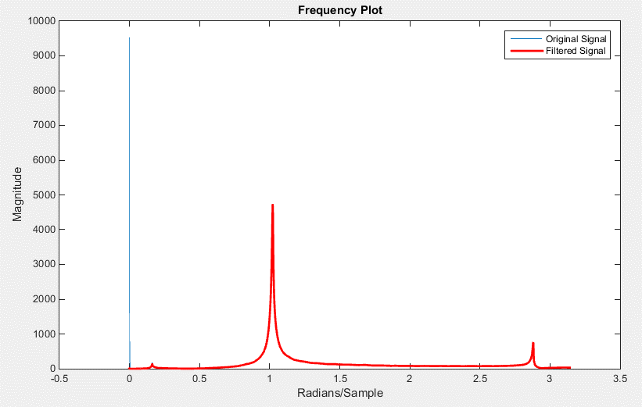
Filtered Data Shiffted
-16.139776713
-51.39557199
62.557475947
53.001960758
-7.3534115791
-52.004924041
-61.459252484
7.4361134706
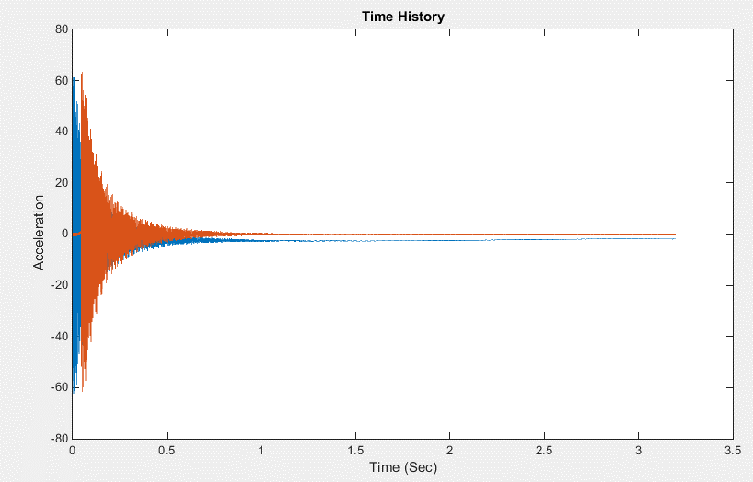
45.70165383
63.277926607
1.6876487451
-42.174084306
-59.791566875
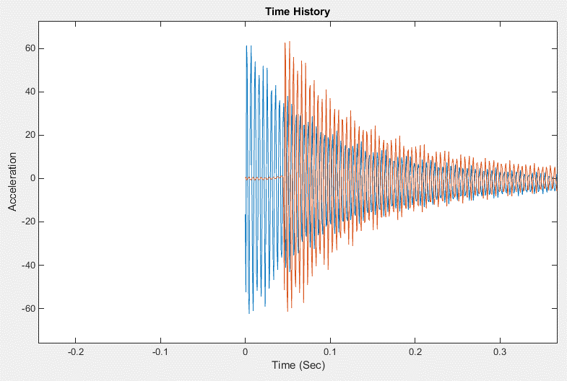
-9.5586422867
45.2088005
55.998962142
20.903781745
-43.534024094
-50.021360064
-26.855188264
40.774596398
49.857316796
29.611941173
-33.269080736
-52.649299485
-29.243527986
...

Base Test 3-Channel2
Time | Filtered Data Shiffted
0 | 9.8111915828
0.00078125 | -41.430997035
0.001562499 | -30.034462834
0.002343748 | 87.250431289
0.003124997 | 31.363845732
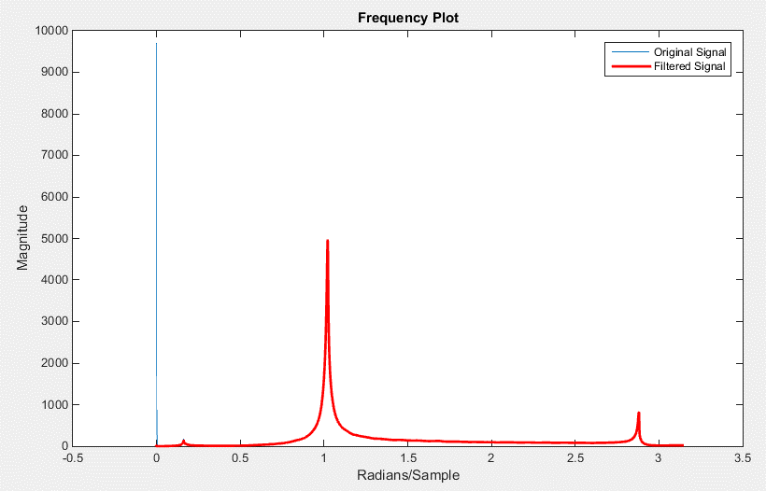
0.003906247 | -18.067079084
0.004687496 | -70.634401937
0.005468745 | -47.011938297
0.006249994 | 22.451592055
0.007031244 | 58.630286308
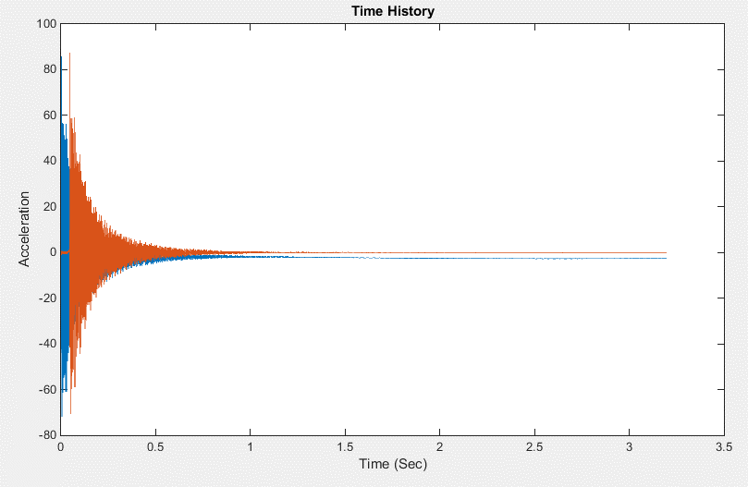
0.007812493 | 56.803742912
0.008593742 | -18.030249032
0.009374991 | -51.91640681
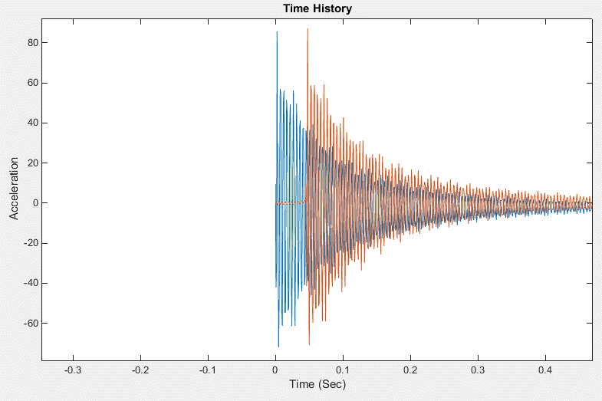
0.010156241 | -59.781316888
0.01093749 | 13.208420602
0.011718739 | 52.532644473
0.012499988 | 58.730275733
0.013281238 | -0.929867119
0.014062487 | -52.612996008
0.014843736 | -52.328340214
0.015624986 | -9.6723786441
0.016406235 | 54.070906655
0.017187484 | 49.121236827
0.017968733 | 17.980659186
0.018749986 | -51.063534353
0.019531239 | -49.922633632
0.020312492 | -21.717202261
0.021093745 | 42.077241819
0.021874998 | 52.083837208
0.022656251 | 19.896201863
0.023437504 | -34.093167588
...

Base Test 4-Channel2
Filtered Data Shiffted
3.9280310141
-17.453187882
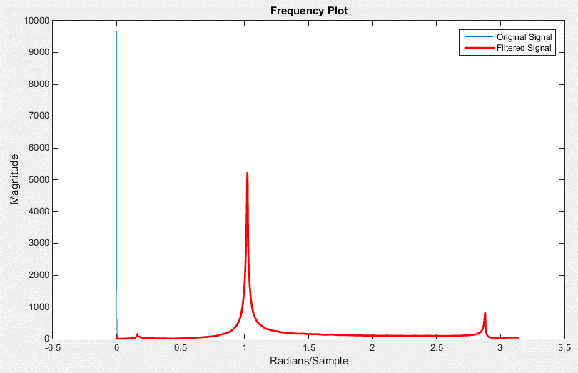
-62.437173443
71.079984535
62.660460935
-7.7961036549
-59.024570173
-72.907175299
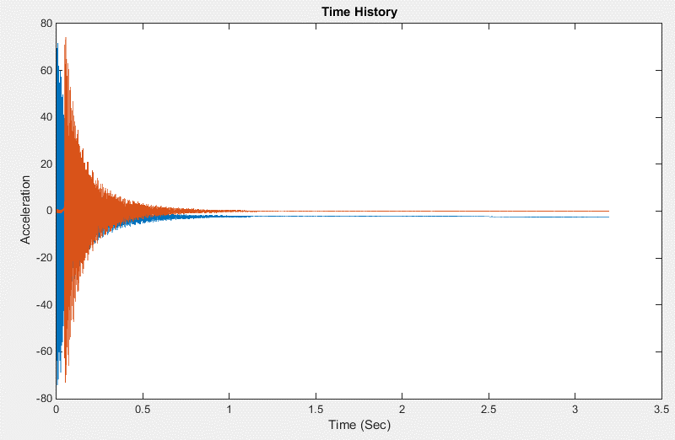
7.0322374665
51.42057592
74.161148248
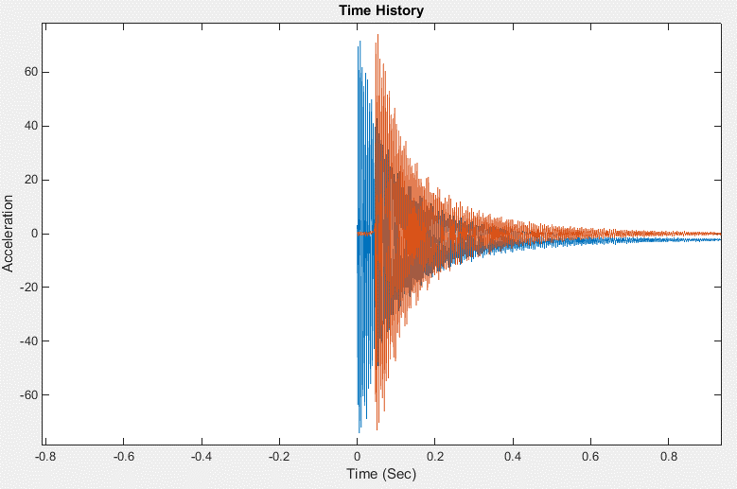
3.8434021742
-47.706459314
-69.97917628
-13.740094547
51.214251958
64.839666073
26.938242121
-49.120439615
-57.860853122
-33.815886307
45.41157219
57.807733684
36.323967691
-35.837089603
-61.138548663
-35.511196167
...

Base Test 5-Channel2
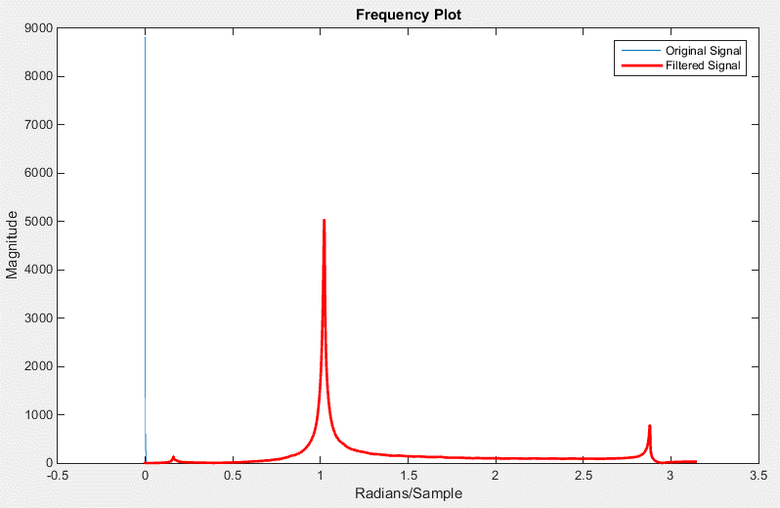
 | time | Filtered Data Shiffted
0.045312475 | 0 | -1.1172716076
0.046093725 | 0.00078125 | -66.407592297
0.046874974 | 0.001562499 | 40.979977042
0.047656223 | 0.002343748 | 78.266747755
0.048437472 | 0.003124997 | 1.7273426047
0.049218722 | 0.003906247 | -43.255820926
0.049999971 | 0.004687496 | -78.462159091
0.05078122 | 0.005468745 | -8.4305082354
0.051562469 | 0.006249994 | 41.53864298
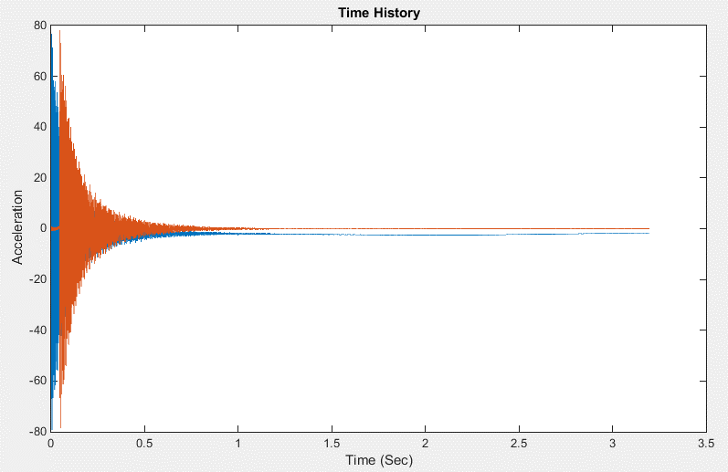
0.052343719 | 0.007031244 | 73.154357725
0.053124968 | 0.007812493 | 22.101634588
0.053906217 | 0.008593742 | -39.577358945
0.054687466 | 0.009374991 | -65.35120931
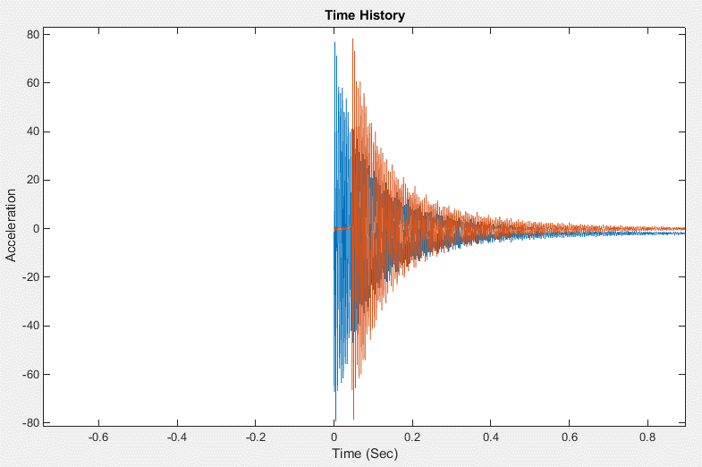
0.055468716 | 0.010156241 | -32.137690359
0.056249965 | 0.01093749 | 42.409644269
0.057031214 | 0.011718739 | 60.528721092
0.057812463 | 0.012499988 | 41.941519085
0.058593713 | 0.013281238 | -37.184690063
0.059374962 | 0.014062487 | -55.836408246
0.060156211 | 0.014843736 | -43.60885443
0.060937461 | 0.015624986 | 29.43719423
0.06171871 | 0.016406235 | 58.04008212
0.062499959 | 0.017187484 | 42.257391638
0.063281208 | 0.017968733 | -17.925646722
0.064062461 | 0.018749986 | -61.397878659
0.064843714 | 0.019531239 | -40.042199192
0.065624967 | 0.020312492 | 6.2105725062
0.06640622 | 0.021093745 | 60.55596756
 |  | 38.033676587
 |  | -1.2536229457
 |  | -59.577748901
 |  | -43.118611174
 |  | -3.1506137257
 |  | 50.480003751
 |  | 46.692735585
 |  | 1.1665348377
...

Input Channels
...
-0.071984953943 | 0.28327807506 | -0.078671584943 | -0.061077773943 | 0.10584066106
0.53927443837 | 0.74580506837 | 0.56237701837 | 0.28883040837 | 0.79079476837
0.67115756706 | 0.065311199056 | 0.65651914706 | 0.81441029706 | 0.22379202706
-0.033909439209 | -0.0096497562093 | -0.060609601209 | 0.078774463791 | -0.052549160209
0.039746545945 | 0.0091955059454 | 0.042718644945 | -0.0054899220546 | 0.032140861445
0 | -0.071984953943 | 0.28327807506 | -0.078671584943 | -0.061077773943 | 0.10584066106
0.00078125001 | 0.53927443837 | 0.74580506837 | 0.56237701837 | 0.28883040837 | 0.79079476837
0.0015625 | 0.67115756706 | 0.065311199056 | 0.65651914706 | 0.81441029706 | 0.22379202706
0.0023437501 | -0.033909439209 | -0.0096497562093 | -0.060609601209 | 0.078774463791 | -0.052549160209
0.003125 | 0.039746545945 | 0.0091955059454 | 0.042718644945 | -0.0054899220546 | 0.032140861445
0.00390625 | -0.0074517764194 | -0.011826434419 | -0.016499334419 | 0.016939766481 | -0.024406043419
0.0046875002 | 0.010942463813 | 0.0033493628126 | 0.0091341778126 | -0.0063939901874 | 0.0086974548126
0.0054687504 | 0.0019046518616 | -0.0085519921384 | -0.0019280041384 | 0.010376362862 | -0.012505374138
0.0062500006 | 0.0034548020771 | -0.0001129899229 | 0.0005038850771 | -0.0031088239229 | -0.0001585689229
0.0070312507 | 0.0052877987843 | -0.0058431122157 | 0.0021188207843 | 0.0064647857843 | -0.0065925082157
0.0078125009 | 0.001807845942 | -0.004315999058 | -0.001407512058 | 0.000175490942 | -0.005638942058
0.0085937511 | 0.0030858000133 | -0.0042264999867 | -3.0902986702E-05 | 0.0018133670133 | -0.0052764509867
0.0093750013 | 0.0029969093918 | -0.0042555936082 | -0.00011214560817 | 0.0019803333918 | -0.0053376506082
0.010156251 | 0.003261951519 | -0.004060598481 | 0.00011967151904 | 0.002017438519 | -0.005052952481
0.010937502 | 0.0033449530877 | -0.0041328859123 | 8.2598087661E-05 | 0.0022117170877 | -0.0050386489123
0.011718752 | 0.0031974722825 | -0.0041546897175 | -9.4264717517E-05 | 0.0021791382825 | -0.0051276847175
0.012500002 | 0.0033621316934 | -0.0040474103066 | 5.9155693421E-05 | 0.0020500826934 | -0.0050366823066
0.013281252 | 0.003334002276 | -0.004306578724 | 4.5817276001E-05 | 0.002146486276 | -0.005192581724
0.014062502 | 0.0031129321658 | -0.0042492098342 | -0.0001948928342 | 0.0021315581658 | -0.0052768908342
0.014843753 | 0.0032270129195 | -0.0042090520805 | -3.249708054E-05 | 0.0020120539195 | -0.0051778960805
0.015625002 | 0.0032142812585 | -0.0042120837415 | -1.7517741486E-05 | 0.0020944082585 | -0.0052489917415
0.016406251 | 0.0032800708199 | -0.0041114021801 | -6.1980180147E-05 | 0.0022580318199 | -0.0051687591801
0.0171875 | 0.0031729030981 | -0.0043048519019 | -0.00012510990187 | 0.0021139070981 | -0.0051943039019
0.01796875 | 0.0032681625985 | -0.0041189664015 | 3.3010598502E-05 | 0.0022355815985 | -0.0050847204015
0.018749999 | 0.0032797432576 | -0.0041550757424 | 7.9235257636E-05 | 0.0021559962576 | -0.0051432237424
0.019531248 | 0.0030533099861 | -0.0043591010139 | -0.00011645901389 | 0.0018462159861 | -0.0053363110139
0.020312497 | 0.0031753280557 | -0.0041527779443 | -1.9379442761E-06 | 0.0021969220557 | -0.0051478469443
0.021093747 | 0.0031985889816 | -0.0040491940184 | 2.4069981633E-05 | 0.0020688329816 | -0.0050964140184
0.021874996 | 0.0033623872232 | -0.0041486007768 | -6.9595776799E-05 | 0.0020815132232 | -0.0051784217768
0.022656245 | 0.003139204457 | -0.004156020543 | 2.0046456985E-05 | 0.002140804457 | -0.005144576543
0.023437494 | 0.002991516011 | -0.004257325989 | -0.00011560698905 | 0.001911677011 | -0.005323372989
0.024218744 | 0.0031045438931 | -0.0041042221069 | -0.00025355010693 | 0.0020217528931 | -0.0053659631069
0.024999993 | 0.002926284181 | -0.004214265819 | -0.00033331981896 | 0.001873400181 | -0.005235738819
0.025781242 | 0.0031376167582 | -0.0042187982418 | -0.00017392024182 | 0.0020817087582 | -0.0052183942418
0.026562491 | 0.0031362737466 | -0.0041554002534 | -0.00014568625336 | 0.0021046217466 | -0.0051699352534
0.027343741 | 0.0030697498356 | -0.0044005171644 | -0.00016437816443 | 0.0018814078356 | -0.0052870001644
0.02812499 | 0.0031684886055 | -0.0042273713945 | -0.00014442739453 | 0.0020425436055 | -0.0053100653945
0.028906239 | 0.0029494319715 | -0.0042006480285 | -0.00035200402852 | 0.0020113549715 | -0.0052946090285
0.029687488 | 0.0029489659854 | -0.0042494890146 | -0.00035633401457 | 0.0019407719854 | -0.0052007610146
0.030468738 | 0.0030934014122 | -0.0042326595878 | -0.00023112458776 | 0.0019553794122 | -0.0052888405878
0.031249987 | 0.0031129849873 | -0.0042259300127 | -0.00015731701271 | 0.0019881929873 | -0.0051587600127
0.032031238 | 0.0031474187803 | -0.0042410192197 | -0.00022438321969 | 0.0020885587803 | -0.0052517352197
0.032812487 | 0.0028789132062 | -0.0044048567938 | -0.00034310579377 | 0.0018742732062 | -0.0054502517938
0.033593737 | 0.0028216164246 | -0.0042119715754 | -0.00037942057543 | 0.0018949604246 | -0.0054168905754
0.034374986 | 0.0027327839211 | -0.0042910760789 | -0.00036285807893 | 0.0018035789211 | -0.0054032240789
0.035156235 | 0.0030135464977 | -0.0042042185023 | -0.00023288750226 | 0.0017775474977 | -0.0051836545023
0.035937484 | 0.0030156293756 | -0.0042561766244 | -0.00029121862435 | 0.0017805773756 | -0.0052827696244
0.036718734 | 0.0029713371956 | -0.0042179908044 | -0.00028851880441 | 0.0018907751956 | -0.0052107468044
0.037499983 | 0.0028452714358 | -0.0043102435642 | -0.00016470656423 | 0.0020407524358 | -0.0053328315642
0.038281232 | 0.0028690013947 | -0.0042860226053 | -0.00029960160526 | 0.0017325603947 | -0.0052555266053
...
-0.0074517764194 | -0.011826434419 | -0.016499334419 | 0.016939766481 | -0.024406043419
0.010942463813 | 0.0033493628126 | 0.0091341778126 | -0.0063939901874 | 0.0086974548126
0.0019046518616 | -0.0085519921384 | -0.0019280041384 | 0.010376362862 | -0.012505374138
0.0034548020771 | -0.0001129899229 | 0.0005038850771 | -0.0031088239229 | -0.0001585689229
0.0052877987843 | -0.0058431122157 | 0.0021188207843 | 0.0064647857843 | -0.0065925082157
0.001807845942 | -0.004315999058 | -0.001407512058 | 0.000175490942 | -0.005638942058
0.0030858000133 | -0.0042264999867 | -3.0902986702E-05 | 0.0018133670133 | -0.0052764509867
0.0029969093918 | -0.0042555936082 | -0.00011214560817 | 0.0019803333918 | -0.0053376506082
0.003261951519 | -0.004060598481 | 0.00011967151904 | 0.002017438519 | -0.005052952481
0.0033449530877 | -0.0041328859123 | 8.2598087661E-05 | 0.0022117170877 | -0.0050386489123
0.0031974722825 | -0.0041546897175 | -9.4264717517E-05 | 0.0021791382825 | -0.0051276847175
0.0033621316934 | -0.0040474103066 | 5.9155693421E-05 | 0.0020500826934 | -0.0050366823066
0.003334002276 | -0.004306578724 | 4.5817276001E-05 | 0.002146486276 | -0.005192581724
0.0031129321658 | -0.0042492098342 | -0.0001948928342 | 0.0021315581658 | -0.0052768908342
0.0032270129195 | -0.0042090520805 | -3.249708054E-05 | 0.0020120539195 | -0.0051778960805
0.0032142812585 | -0.0042120837415 | -1.7517741486E-05 | 0.0020944082585 | -0.0052489917415
0.0032800708199 | -0.0041114021801 | -6.1980180147E-05 | 0.0022580318199 | -0.0051687591801
0.0031729030981 | -0.0043048519019 | -0.00012510990187 | 0.0021139070981 | -0.0051943039019
0.0032681625985 | -0.0041189664015 | 3.3010598502E-05 | 0.0022355815985 | -0.0050847204015
0.0032797432576 | -0.0041550757424 | 7.9235257636E-05 | 0.0021559962576 | -0.0051432237424
0.0030533099861 | -0.0043591010139 | -0.00011645901389 | 0.0018462159861 | -0.0053363110139
0.0031753280557 | -0.0041527779443 | -1.9379442761E-06 | 0.0021969220557 | -0.0051478469443
0.0031985889816 | -0.0040491940184 | 2.4069981633E-05 | 0.0020688329816 | -0.0050964140184
0.0033623872232 | -0.0041486007768 | -6.9595776799E-05 | 0.0020815132232 | -0.0051784217768
0.003139204457 | -0.004156020543 | 2.0046456985E-05 | 0.002140804457 | -0.005144576543
...

